MICHAEL KORS
 |  |  |  |  |  |  |  |  |  |  |  |  |  |  |  | 9903 |  | 735,448.74 € |  | 1,765,654.46 €
PICTURE | BRAND | GENDER | MACROCATEGORY | SUBCATEGORY | SEASON | EAN CODE | PRODUCT CODE | SKU CODE | ARTICLE NAME | COLOUR | MADE IN | COMPOSITION | SIZE | SIZE COUNTRY | SIZE EU | QUANTITY | UNIT WHS | TOTAL WHS | UNIT RRP | TOTAL RRP
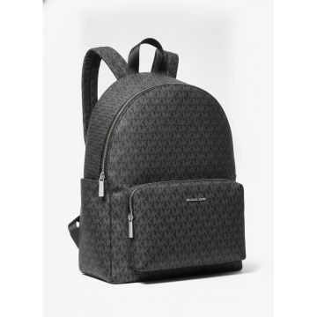 | Michael Kors | Women | Bags | Backpacks | FW | 00197853729391 | 30T5STNB3C-BLACK | 30T5STNB3C-BLACK-OS | Michael Kors MK Monogram Logo Backpack Black | BLACK | Cambodia | 100% RECYCLED POLYES TER | OS | EU | OS | 182 | 135.40 € | 24,642.80 € | 325.00 € | 59,149.82 €
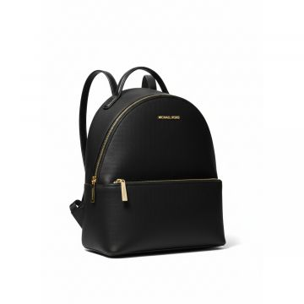 | Michael Kors | Women | Bags | Backpacks | CO | 00196237300034 | 35F3G6HB6L-BLACK | 35F3G6HB6L-BLACK-OS | Michael Kors Leather Backpack Black | BLACK | Philippines | 89.4% PVC 9.6% POLY 1% PU | OS |  |  | 45 | 187.50 € | 8,437.50 € | 450.00 € | 20,249.96 €
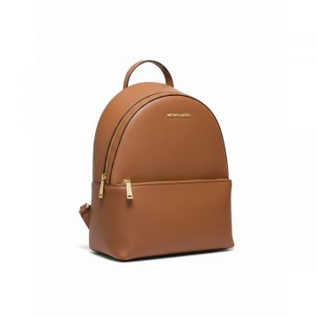 | Michael Kors | Women | Bags | Backpacks | CO | 00196237481955 | 35F3G6HB6L-LUGGAGE | 35F3G6HB6L-LUGGAGE-OS | Michael Kors Sheila Saffiano Backpack Brown | BROWN | KH | 88.92% PVC, 11.08% P OLYESTER | OS |  |  | 118 | 187.50 € | 22,125.00 € | 450.00 € | 53,099.88 €
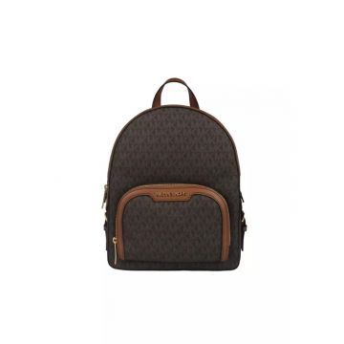 | Michael Kors | Women | Bags | Backpacks | CO | 00196163095950 | 35S2G8TB2B-BROWN | 35S2G8TB2B-BROWN-OS | Michael Kors JAYCEE Signature Backpack Brown | BROWN | ID | 89.4% PVC, 9.6% POLY ESTER, 1% POLYURETHA NE | OS |  |  | 4 | 206.25 € | 825.00 € | 495.00 € | 1,980.00 €
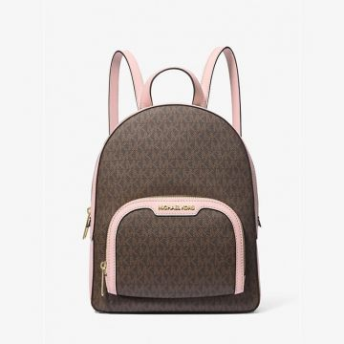 | Michael Kors | Women | Bags | Backpacks | CO | 00196163096087 | 35S2G8TB2B-POWDER BLUSH | 35S2G8TB2B-POWDER BLUSH-OS | Michael Kors Brown Pink Mini Backpack |  | ID | 89.4% PVC, 9.6% POLY ESTER, 1% POLYURETHA NE | OS |  |  | 5 | 206.25 € | 1,031.25 € | 495.00 € | 2,475.00 €
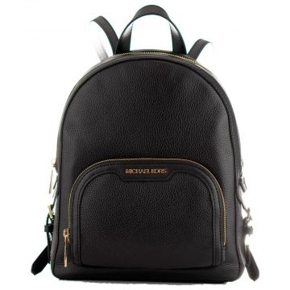 | Michael Kors | Women | Bags | Backpacks | CO | 00196163096124 | 35S2G8TB2L-BLACK | 35S2G8TB2L-BLACK-OS | Michael Kors Leather Backpack Black | BLACK | ID | 100% COW LEATHER | OS |  |  | 8 | 206.25 € | 1,650.00 € | 495.00 € | 3,960.00 €
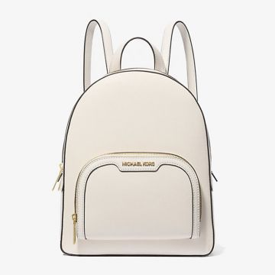 | Michael Kors | Women | Bags | Backpacks | CO | 00196163096179 | 35S2G8TB2L-LT CREAM | 35S2G8TB2L-LT CREAM-OS | Michael Kors Jaycee Medium Backpack Light Cream | Cream | ID | 100% COW LEATHER | OS |  |  | 19 | 206.25 € | 3,918.75 € | 495.00 € | 9,405.00 €
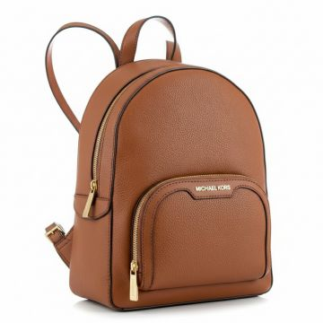 | Michael Kors | Women | Bags | Backpacks | CO | 00196163096162 | 35S2G8TB2L-LUGGAGE | 35S2G8TB2L-LUGGAGE-OS | Michael Kors Jaycee Leather Backpack Brown | BROWN | ID | 100% COW LEATHER | OS |  |  | 2 | 206.25 € | 412.50 € | 495.00 € | 990.00 €
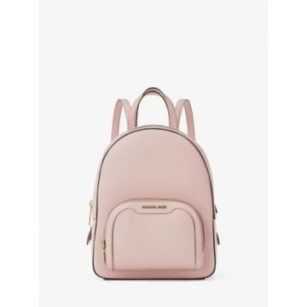 | Michael Kors | Women | Bags | Backpacks | CO | 00196163096254 | 35S2G8TB2L-POWDER BLUSH | 35S2G8TB2L-POWDER BLUSH-OS | Michael Kors Jaycee Leather Backpack Pink |  | ID | 100% COW LEATHER | OS |  |  | 191 | 206.25 € | 39,393.75 € | 495.00 € | 94,545.00 €
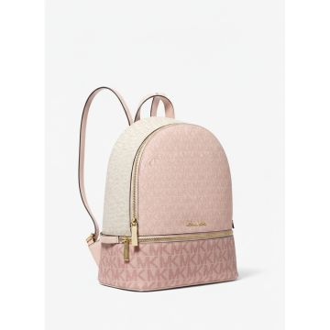 | Michael Kors | Women | Bags | Backpacks | SS | 00197853425620 | 35S5GRAB6V-PWD BLSH MLT | 35S5GRAB6V-PWD BLSH MLT-OS | Michael Kors Color Block Mini Backpack Pink |  | Cambodia | 89.4% PVC 9.6% POLY 1% PU | OS |  |  | 230 | 187.50 € | 43,125.00 € | 450.00 € | 103,499.77 €
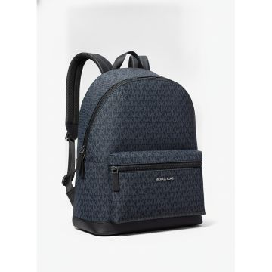 | Michael Kors | Women | Bags | Backpacks | FW | 00193600529917 | 37U9LCRB3B-ADMRL_PLBLUE | 37U9LCRB3B-ADMRL_PLBLUE-OS | Michael Kors Cooper Navy Logo Print Backpack | ADMRL_PLBLUE | Bangladesh | 89.4% PVC, 9.6% POLY ESTER, 1% POLYURETHA NE | OS | EU | OS | 162 | 208.35 € | 33,752.70 € | 500.00 € | 81,000.00 €
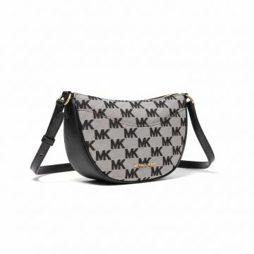 | Michael Kors | Women | Bags | Belt bags | CO | 00196237630223 | 35S4G4DC5J-BLACK | 35S4G4DC5J-BLACK-OS | Michael Kors Dover MK Logo Belt Bag Black | BLACK | KH | 70% COTTON, 30% POLY ESTER | OS |  |  | 34 | 135.40 € | 4,603.60 € | 325.00 € | 11,049.97 €
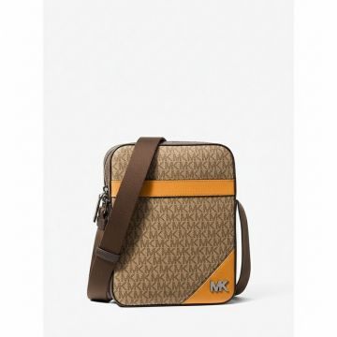 | Michael Kors | Women | Bags | Belt bags | CO | 00197853699694 | 37T5LCOC6O-POP ORANGE | 37T5LCOC6O-POP ORANGE-OS | Michael Kors Cooper Flight Bag Pop Orange |  | IN | 74% PVC, 19% POLYEST ER, 7% POLYURETHANE | OS |  |  | 44 | 145.85 € | 6,417.40 € | 350.00 € | 15,400.00 €
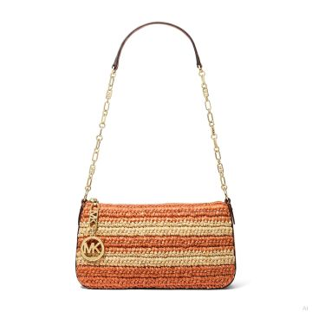 | Michael Kors | Women | Bags | Clutch | FW | 00197853465084 | 32S5G8EW8W-ORANGE PUNCH | 32S5G8EW8W-ORANGE PUNCH-OS | Michael Kors Empire Woven Raffia Clutch Orange Punch | ORANGE PUNCH | BD | 100% POLYPROPYLENE | OS | US |  | 20 | 81.25 € | 1,625.00 € | 195.00 € | 3,900.00 €
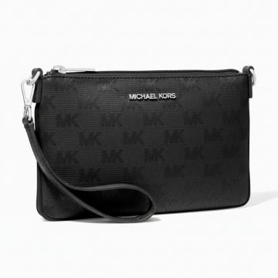 | Michael Kors | Women | Bags | Clutch | CO | 00196237922236 | 35T4STVW5C-1 | 35T4STVW5C-1-OS | Michael Kors Jet Set Travel Wristlet Black | BLACK | BD | 100% NYLON | OS |  |  | 3 | 110.40 € | 331.20 € | 265.00 € | 795.00 €
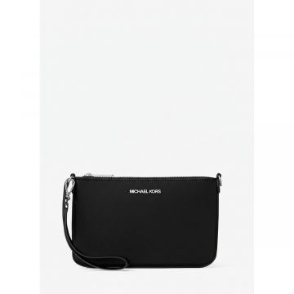 | Michael Kors | Women | Bags | Clutch | FW | 00197853712362 | 35T5STVW1C-BLACK | 35T5STVW1C-BLACK-OS | JET SET TRAVEL | BLACK | Indonesia | 100% RECYCLED NYLON | OS | US |  | 230 | 110.40 € | 25,392.00 € | 265.00 € | 60,950.00 €
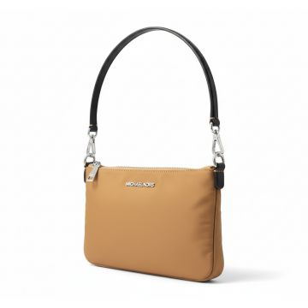 | Michael Kors | Women | Bags | Clutch | FW | 00197853712379 | 35T5STVW1C-PEANUT | 35T5STVW1C-PEANUT-OS | JET SET TRAVEL |  | Indonesia | 100% RECYCLED NYLON | OS | US |  | 25 | 110.40 € | 2,760.00 € | 265.00 € | 6,625.00 €
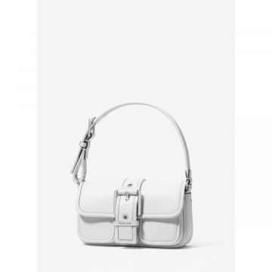 | Michael Kors | Women | Bags | Handbag | FW | 00197853118089 | 32F4SBAU0L-OPTIC WHITE | 32F4SBAU0L-OPTIC WHITE-OS | Michael Kors Buckle Shoulder Bag White |  | Vietnam | 100% COW LEATHER | OS |  |  | 7 | 104.20 € | 729.40 € | 250.00 € | 1,750.00 €
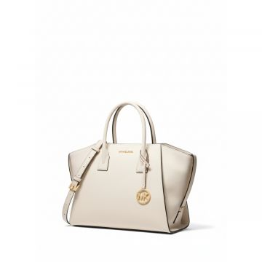 | Michael Kors | Women | Bags | Handbag | CO | 00197853081437 | 35F4G4VS3L-LT CREAM | 35F4G4VS3L-LT CREAM-OS | Michael Kors Avril Leather Satchel Cream | Cream | BD | 100% COW LEATHER | OS |  |  | 46 | 197.90 € | 9,103.40 € | 475.00 € | 21,850.00 €
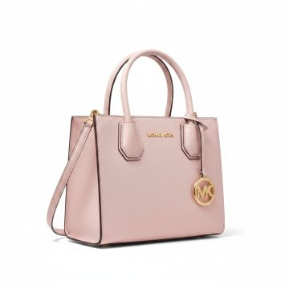 | Michael Kors | Women | Bags | Handbag | SS | 00194900272183 | 35S1GM9M2L-POWDER BLUSH | 35S1GM9M2L-POWDER BLUSH-OS | Michael Kors Mercer Medium Satchel Bag Powder Blush |  | Cambodia | 100% COW LEATHER | OS |  |  | 3 | 187.50 € | 562.50 € | 450.00 € | 1,350.00 €
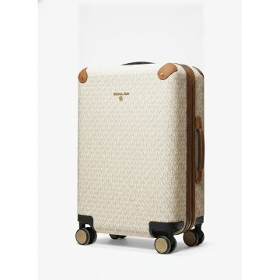 | Michael Kors | Women | Bags | Luggages | SS | 00194900336793 | 30S0GTFT3B-VANILLA_ACORN | 30S0GTFT3B-VANILLA_ACORN-OS | Michael Kors Signature Vanilla Hard Shell Suitcase |  | Vietnam | 91% PVC 8% POLY R 1% PU | OS |  |  | 230 | 206.25 € | 47,437.50 € | 495.00 € | 113,850.00 €
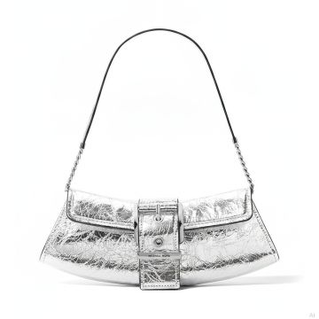 | Michael Kors | Women | Bags | Messenger & crossbody bags | FW | 00197853112353 | 30F4SBAC1K-SILVER | 30F4SBAC1K-SILVER-OS | Michael Kors Colby Metallic Silver Shoulder Bag |  | VN | 100% COW LEATHER | OS | US |  | 10 | 122.90 € | 1,229.00 € | 295.00 € | 2,950.00 €
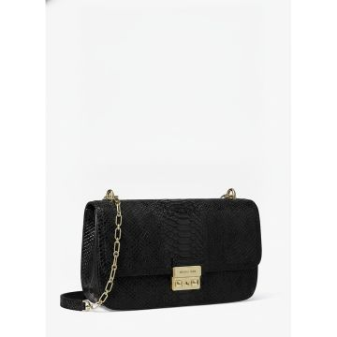 | Michael Kors | Women | Bags | Messenger & crossbody bags | 25T | 00197853728219 | 30T5G2RL7L-BLACK | 30T5G2RL7L-BLACK-OS | Shoulder | BLACK | Cambodia | 100% COW LEATHER | OS | EU | OS | 67 | 164.60 € | 11,028.20 € | 401.58 € | 26,906.13 €
no photo | Michael Kors | Women | Bags | Messenger & crossbody bags | FW | 00197853728301 | 30T5G2RL9L-CHOCOLATE | 30T5G2RL9L-CHOCOLATE-OS | Shoulder | CHOCOLATE | Cambodia | 100% COW LEATHER | OS | EU | OS | 134 | 145.85 € | 19,543.90 € | 350.00 € | 46,900.00 €
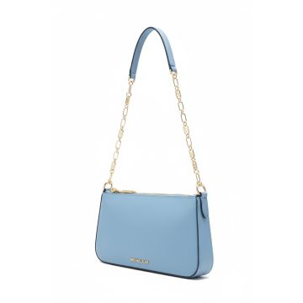 | Michael Kors | Women | Bags | Messenger & crossbody bags | FW | 00196237510396 | 32H3G8EW6L-FRENC | 32H3G8EW6L-FRENC-OS | Michael Kors Small Shoulder Bag French Blue | FRENC | Indonesia | 100% COW LEATHER | OS | EU | OS | 2 | 93.75 € | 187.50 € | 228.75 € | 457.50 €
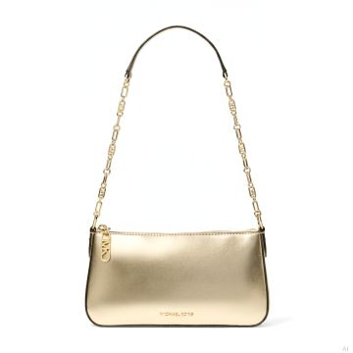 | Michael Kors | Women | Bags | Messenger & crossbody bags | FW | 00196237513038 | 32R4G8EW2M-PALE GOLD | 32R4G8EW2M-PALE GOLD-OS | Michael Kors Empire Metallic Gold Shoulder Bag |  | ID | 100% COW LEATHER | OS | US |  | 230 | 93.75 € | 21,562.50 € | 225.00 € | 51,750.00 €
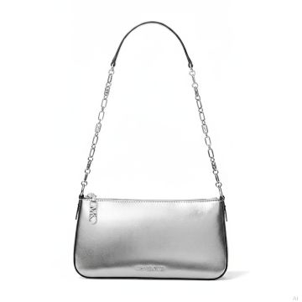 | Michael Kors | Women | Bags | Messenger & crossbody bags | FW | 00196237775702 | 32S4S8EW6M-SILVER | 32S4S8EW6M-SILVER-OS | Michael Kors Empire Silver Metallic Shoulder Bag |  | ID | 100% COW LEATHER | OS | US |  | 230 | 93.75 € | 21,562.50 € | 225.00 € | 51,750.00 €
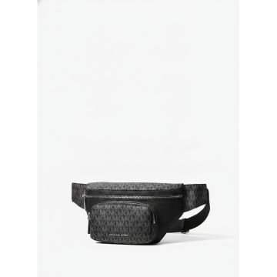 | Michael Kors | Women | Bags | Messenger & crossbody bags | FW | 00197853725034 | 33T5LTNY9C-BLACK | 33T5LTNY9C-BLACK-OS | Michael Kors MK Logo Belt Bag Black | BLACK | Vietnam | 100% RECYCLED NYLON | OS | EU | OS | 16 | 74.60 € | 1,193.60 € | 180.00 € | 2,880.00 €
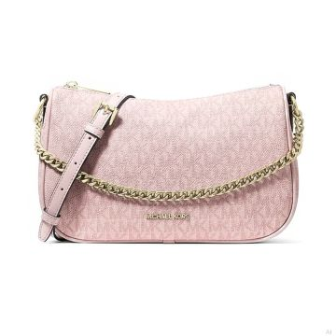 | Michael Kors | Women | Bags | Messenger & crossbody bags | FW | 00197853700925 | 35F4G1QC8B-POWDER BLUSH | 35F4G1QC8B-POWDER BLUSH-OS | Michael Kors Carmela Logo Crossbody Bag Powder Blush |  | Cambodia | 89.4% PVC, 9.6% POLY ESTER, 1% POLYURETHA NE | OS | US |  | 10 | 145.85 € | 1,458.50 € | 350.00 € | 3,500.00 €
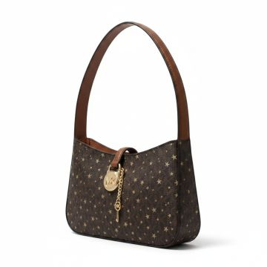 | Michael Kors | Women | Bags | Messenger & crossbody bags | FW | 00197853804432 | 35F4G1YC1V-BROWN | 35F4G1YC1V-BROWN-OS | JET SET TRAVEL | BROWN | Cambodia | 90% PVC, 10% POLYEST ER | OS |  |  | 165 | 135.40 € | 22,341.00 € | 325.00 € | 53,624.84 €
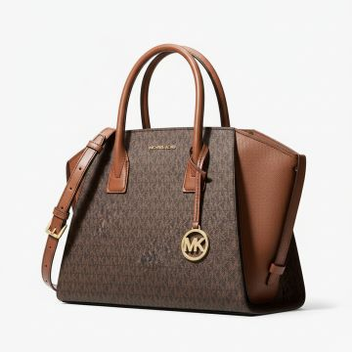 | Michael Kors | Women | Bags | Messenger & crossbody bags | FW | 00197853081376 | 35F4G4VS3B-BROWN | 35F4G4VS3B-BROWN-OS | Michael Kors Signature Print Large Satchel Crossbody Bag Brown | BROWN | Indonesia | 89.4% PVC 9.6% POLY 1% PU | OS |  |  | 230 | 197.90 € | 45,517.00 € | 475.00 € | 109,250.00 €
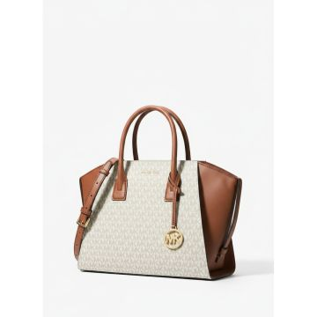 | Michael Kors | Women | Bags | Messenger & crossbody bags | FW | 00197853081369 | 35F4G4VS3B-VANILLA | 35F4G4VS3B-VANILLA-OS | Michael Kors Avril Large Signature Logo Satchel Vanilla Brown |  | Indonesia | 89.4% PVC 9.6% POLY 1% PU | OS |  |  | 230 | 197.90 € | 45,517.00 € | 475.00 € | 109,250.00 €
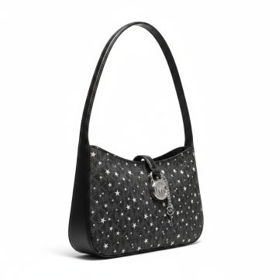 | Michael Kors | Women | Bags | Messenger & crossbody bags | FW | 00197853804852 | 35F4S1YC1V-BLACK | 35F4S1YC1V-BLACK-OS | Michael Kors Star Pattern Shoulder Bag Black | BLACK | Cambodia | 90% PVC, 10% POLYEST ER | OS |  |  | 203 | 135.40 € | 27,486.20 € | 325.00 € | 65,974.80 €
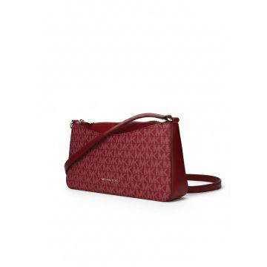 | Michael Kors | Women | Bags | Messenger & crossbody bags | FW | 00197853808706 | 35F5G4XC8V-CHERRY | 35F5G4XC8V-CHERRY-OS | Michael Kors Arden Signature Crossbody Bag Cherry | CHERRY | Indonesia | 89.4% PVC, 9.6% POLY, 1% PU | OS |  |  | 3 | 114.60 € | 343.80 € | 275.00 € | 825.00 €
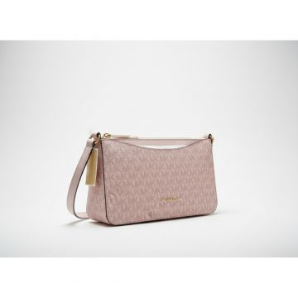 | Michael Kors | Women | Bags | Messenger & crossbody bags | FW | 00197853808690 | 35F5G4XC8V-POWDER BLUSH | 35F5G4XC8V-POWDER BLUSH-OS | Michael Kors Arden Medium Crossbody Powder Blush |  | Indonesia | 89.4% PVC, 9.6% POLY, 1% PU | OS |  |  | 41 | 114.60 € | 4,698.60 € | 275.00 € | 11,275.00 €
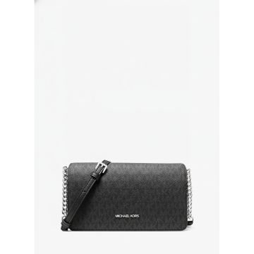 | Michael Kors | Women | Bags | Messenger & crossbody bags | FW | 00197853806498 | 35F5GTVC8B-BLACK | 35F5GTVC8B-BLACK-OS | JET SET TRAVEL | BLACK | Cambodia | 89.4% PVC 9.6% POLY 1% PU | OS |  |  | 230 | 145.85 € | 33,545.50 € | 350.00 € | 80,500.00 €
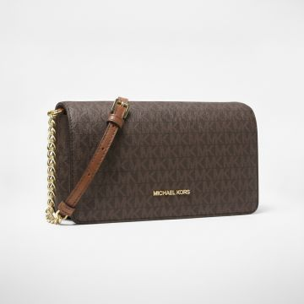 | Michael Kors | Women | Bags | Messenger & crossbody bags | FW | 00197853806511 | 35F5GTVC8B-BROWN | 35F5GTVC8B-BROWN-OS | Michael Kors Jet Set Travel crossbody wallet in signature brown monogram | BROWN | Cambodia | 89.4% PVC 9.6% POLY 1% PU | OS |  |  | 22 | 145.85 € | 3,208.70 € | 350.00 € | 7,700.00 €
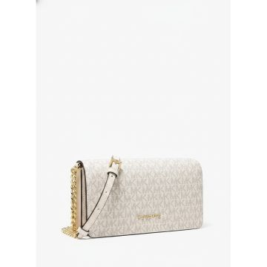 | Michael Kors | Women | Bags | Messenger & crossbody bags | SS | 00197853806504 | 35F5GTVC8B-VANILLA | 35F5GTVC8B-VANILLA-OS | Michael Kors Jet Set Travel small crossbody bag in vanilla |  | Cambodia | 89.4% PVC 9.6% POLY 1% PU | OS |  |  | 40 | 145.85 € | 5,834.00 € | 350.00 € | 14,000.00 €
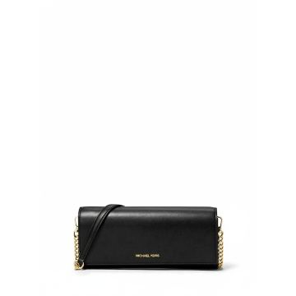 | Michael Kors | Women | Bags | Messenger & crossbody bags | FW | 00197853806542 | 35F5GTVC8L-BLACK | 35F5GTVC8L-BLACK-OS | JET SET TRAVEL | BLACK | Indonesia | 100% COW LEATHER | OS |  |  | 12 | 145.85 € | 1,750.20 € | 350.00 € | 4,200.00 €
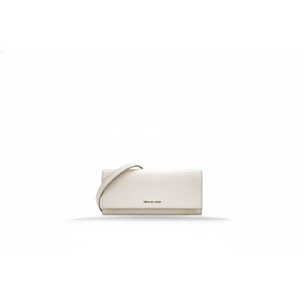 | Michael Kors | Women | Bags | Messenger & crossbody bags | SS | 00197853806566 | 35F5GTVC8L-LT CREAM | 35F5GTVC8L-LT CREAM-OS | JET SET TRAVEL | Cream | Indonesia | 100% COW LEATHER | OS |  |  | 230 | 145.85 € | 33,545.50 € | 350.00 € | 80,500.00 €
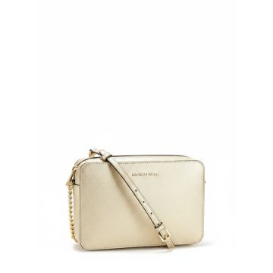 | Michael Kors | Women | Bags | Messenger & crossbody bags | FW | 00197853807440 | 35F5GWHL8M-PALE GOLD | 35F5GWHL8M-PALE GOLD-OS | Michael Kors Whitney Crossbody Bag Pale Gold |  | Vietnam | TEXTILE BASE COATED IN PU | OS |  |  | 25 | 187.50 € | 4,687.50 € | 450.00 € | 11,249.98 €
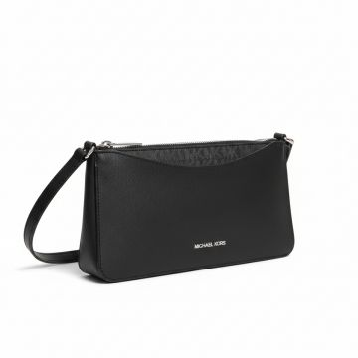 | Michael Kors | Women | Bags | Messenger & crossbody bags | FW | 00197853814189 | 35F5S4XC8L-BLACK | 35F5S4XC8L-BLACK-OS | Michael Kors Arden Medium Crossbody Bag Black | BLACK | Indonesia | 88.92% PVC, 11.08% P OLYESTER | OS |  |  | 31 | 114.60 € | 3,552.60 € | 275.00 € | 8,525.00 €
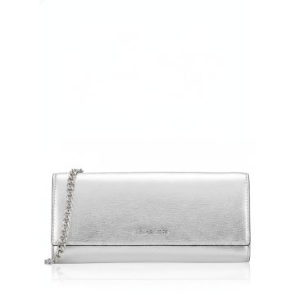 | Michael Kors | Women | Bags | Messenger & crossbody bags | SS | 00197853811966 | 35F5STVC6Y-SILVER | 35F5STVC6Y-SILVER-OS | Michael Kors Jet Set Travel silver metallic leather clutch wallet |  | Indonesia | 100% COW LEATHER | OS |  |  | 166 | 145.85 € | 24,211.10 € | 350.00 € | 58,100.00 €
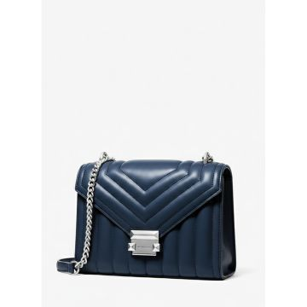 | Michael Kors | Women | Bags | Messenger & crossbody bags | FW | 00196237489159 | 35R4SWHL6U-NAVY | 35R4SWHL6U-NAVY-OS | Michael Kors Whitney Quilted Crossbody Navy |  | Vietnam | 52% PU, 48 % POLY | OS |  |  | 230 | 187.50 € | 43,125.00 € | 450.00 € | 103,499.77 €
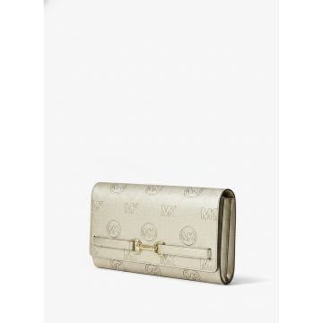 | Michael Kors | Women | Bags | Messenger & crossbody bags | SS | 00199125033779 | 35R6G2ZC7M-PALE GOLD | 35R6G2ZC7M-PALE GOLD-OS | Michael Kors Carson Logo Clutch Wallet Pale Gold |  | Vietnam | TEXTILE BASE COATED IN PU | OS |  |  | 186 | 122.90 € | 22,859.40 € | 295.00 € | 54,870.00 €
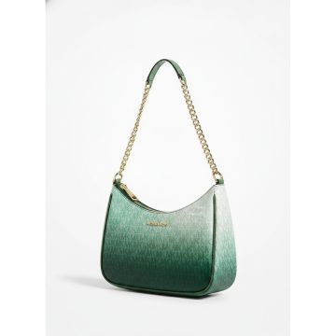 | Michael Kors | Women | Bags | Messenger & crossbody bags | FW | 00199125031973 | 35R6GTVC3B-MOSS MULTI | 35R6GTVC3B-MOSS MULTI-OS | JET SET TRAVEL | BROWN | Indonesia | 90% PVC 10% POLY | OS |  |  | 113 | 122.90 € | 13,887.70 € | 295.00 € | 33,335.00 €
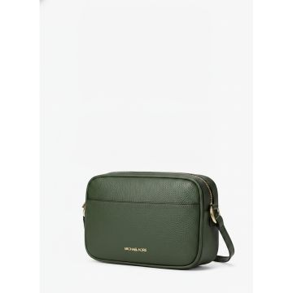 | Michael Kors | Women | Bags | Messenger & crossbody bags | FW | 00199125032215 | 35R6GTVC7L-MOSS | 35R6GTVC7L-MOSS-OS | JET SET TRAVEL | BROWN | Cambodia | 100% COW LEATHER | OS |  |  | 61 | 135.40 € | 8,259.40 € | 325.00 € | 19,824.94 €
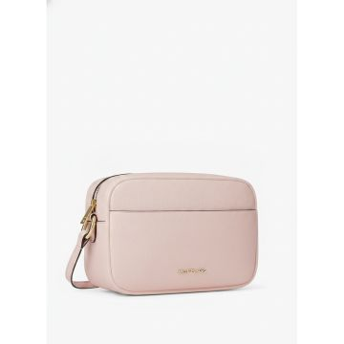 | Michael Kors | Women | Bags | Messenger & crossbody bags | SS | 00199125032246 | 35R6GTVC7L-POWDER BLUSH | 35R6GTVC7L-POWDER BLUSH-OS | JET SET TRAVEL |  | Cambodia | 100% COW LEATHER | OS |  |  | 230 | 135.40 € | 31,142.00 € | 325.00 € | 74,749.77 €
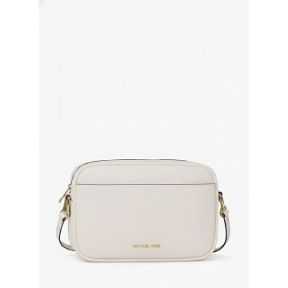 | Michael Kors | Women | Bags | Messenger & crossbody bags | SS | 00199125032352 | 35R6GTVC8Y-LT CREAM | 35R6GTVC8Y-LT CREAM-OS | JET SET TRAVEL | Cream | India | TEXTILE BASE COATED IN PU | OS |  |  | 230 | 164.60 € | 37,858.00 € | 395.00 € | 90,849.77 €
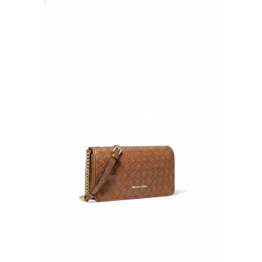 | Michael Kors | Women | Bags | Messenger & crossbody bags | SS | 00199125032345 | 35R6GTVC8Y-LUGGAGE | 35R6GTVC8Y-LUGGAGE-OS | JET SET TRAVEL |  | India | TEXTILE BASE COATED IN PU | OS |  |  | 95 | 164.60 € | 15,637.00 € | 395.00 € | 37,524.90 €
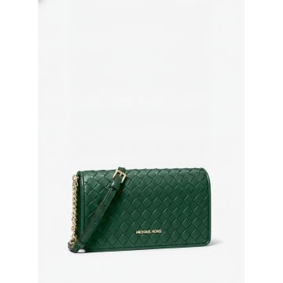 | Michael Kors | Women | Bags | Messenger & crossbody bags | FW | 00199125032369 | 35R6GTVC8Y-MOSS | 35R6GTVC8Y-MOSS-OS | JET SET TRAVEL WOVEN CROSSBODY | BROWN | India | TEXTILE BASE COATED IN PU | OS |  |  | 149 | 164.60 € | 24,525.40 € | 395.00 € | 58,854.85 €
 | Michael Kors | Women | Bags | Messenger & crossbody bags | SS | 00199125032376 | 35R6GTVC8Y-POWDER BLUSH | 35R6GTVC8Y-POWDER BLUSH-OS | JET SET TRAVEL |  | India | TEXTILE BASE COATED IN PU | OS |  |  | 230 | 164.60 € | 37,858.00 € | 395.00 € | 90,849.77 €
 | Michael Kors | Women | Bags | Messenger & crossbody bags | SS | 00199125038040 | 35R6S2ZC3V-OPTIC WHITE | 35R6S2ZC3V-OPTIC WHITE-OS | Michael Kors Carson Optic White Embossed Leather Clutch |  | Vietnam | 60% PU 40 % POLY | OS |  |  | 69 | 122.90 € | 8,480.10 € | 295.00 € | 20,355.00 €
 | Michael Kors | Women | Bags | Messenger & crossbody bags | FW | 00199125036541 | 35R6STVC3B-BLACK COMBO | 35R6STVC3B-BLACK COMBO-OS | JET SET TRAVEL | BLACK | Indonesia | 90% PVC 10% POLY | OS |  |  | 87 | 122.90 € | 10,692.30 € | 295.00 € | 25,665.00 €
 | Michael Kors | Women | Bags | Messenger & crossbody bags | SS | 00199125036756 | 35R6STVC7L-OPTIC WHITE | 35R6STVC7L-OPTIC WHITE-OS | The Michael Kors Jet Set Travel crossbody bag in optic white |  | Cambodia | 100% COW LEATHER | OS |  |  | 147 | 135.40 € | 19,903.80 € | 325.00 € | 47,774.85 €
 | Michael Kors | Women | Bags | Messenger & crossbody bags | SS | 00199125036824 | 35R6STVC8I-SILVER | 35R6STVC8I-SILVER-OS | JET SET TRAVEL |  | India | 77% PU 18.26% POLY 4.74% VU | OS |  |  | 230 | 164.60 € | 37,858.00 € | 395.00 € | 90,849.77 €
 | Michael Kors | Women | Bags | Messenger & crossbody bags | SS | 00196163778556 | 35S3G6HS2L-POWDER BLUSH | 35S3G6HS2L-POWDER BLUSH-OS | Michael Kors Saffiano Leather Handbag Pink |  | Cambodia | 89.4% PVC 9.6% POLY 1% PU | OS |  |  | 176 | 164.60 € | 28,969.60 € | 395.00 € | 69,519.82 €
 | Michael Kors | Women | Bags | Messenger & crossbody bags | CO | 00196237633507 | 35S4G9GM8L-7278 | 35S4G9GM8L-7278-OS | Michael Kors Leida Medium Chain Crossbody Bag Pink | BROWN | BD | 88.92% PVC, 11.08% P OLYESTER | OS |  |  | 230 | 177.08 € | 40,728.40 € | 425.00 € | 97,750.00 €
 | Michael Kors | Women | Bags | Messenger & crossbody bags | FW | 00196237626103 | 35S4GM9S6L-BLACK | 35S4GM9S6L-BLACK-OS | Michael Kors Mercer Medium Pebbled Leather Crossbody Satchel Black | BLACK | Indonesia | 75% PU 25% POLY | OS |  |  | 2 | 187.50 € | 375.00 € | 450.00 € | 900.00 €
 | Michael Kors | Women | Bags | Messenger & crossbody bags | FW | 00196237626196 | 35S4GM9S6L-POWDER BLUSH | 35S4GM9S6L-POWDER BLUSH-OS | Michael Kors Powder Blush Pebbled Leather Satchel Bag |  | Indonesia | 75% PU 25% POLY | OS |  |  | 69 | 187.50 € | 12,937.50 € | 450.00 € | 31,049.93 €
 | Michael Kors | Women | Bags | Messenger & crossbody bags | FW | 00197853424692 | 35S5GGRC1B-BROWN MULTI | 35S5GGRC1B-BROWN MULTI-OS | Michael Kors Greenwich Crossbody Bag Brown Multi | BROWN MULTI | Indonesia | 89.4% PVC 9.6% POLY 1% PU | OS |  |  | 30 | 145.85 € | 4,375.50 € | 350.00 € | 10,500.00 €
 | Michael Kors | Women | Bags | Messenger & crossbody bags | FW | 00197853425071 | 35S5GGRK4B-BROWN | 35S5GGRK4B-BROWN-OS | Michael Kors Greenwich Signature Trifold Wallet Brown | BROWN | Vietnam | 89.4% PVC 9.6% POLY 1% PU | OS |  |  | 82 | 62.50 € | 5,125.00 € | 150.00 € | 12,300.00 €
 | Michael Kors | Women | Bags | Messenger & crossbody bags | FW | 00197853818095 | 35S5SGRC1L-DRIFTWOOD | 35S5SGRC1L-DRIFTWOOD-OS | Michael Kors Brown Leather Crossbody Bag | DRIFTWOOD | Indonesia | 100% COW LEATHER | OS |  |  | 72 | 145.85 € | 10,501.20 € | 350.00 € | 25,200.00 €
 | Michael Kors | Women | Bags | Messenger & crossbody bags | FW | 00197853706170 | 35S5STTC9B-DARK RASPBERRY MULTI | 35S5STTC9B-DARK RASPBERRY MULTI-OS | JET SET TRAVEL | DARK RASPBERRY MULTI | Indonesia | 89.4% PVC, 9.6% POLY ESTER, 1% POLYURETHA NE | OS | US |  | 37 | 122.90 € | 4,547.30 € | 295.00 € | 10,915.00 €
 | Michael Kors | Women | Bags | Messenger & crossbody bags | FW | 00199125143874 | 35S6G5ZM2B-BROWN | 35S6G5ZM2B-BROWN-OS | Michael Kors Nayla Signature Crossbody Bag Brown | BROWN | Bangladesh | 89.4% PVC, 9.6% POLY ESTER, 1% POLYURETHA NE | OS | US |  | 230 | 145.85 € | 33,545.50 € | 350.00 € | 80,500.00 €
 | Michael Kors | Women | Bags | Messenger & crossbody bags | FW | 00199125143867 | 35S6G5ZM2B-VANILLA | 35S6G5ZM2B-VANILLA-OS | Michael Kors Nayla Signature Logo Crossbody Bag Vanilla |  | Bangladesh | 89.4% PVC, 9.6% POLY ESTER, 1% POLYURETHA NE | OS | US |  | 230 | 145.85 € | 33,545.50 € | 350.00 € | 80,500.00 €
 | Michael Kors | Women | Bags | Messenger & crossbody bags | FW | 00199125143898 | 35S6G5ZM2L-BLACK | 35S6G5ZM2L-BLACK-OS | Michael Kors Nayla Black Leather Crossbody Bag | BLACK | Bangladesh | 100% COW LEATHER | OS | US |  | 230 | 145.85 € | 33,545.50 € | 350.00 € | 80,500.00 €
no photo | Michael Kors | Women | Bags | Messenger & crossbody bags | SS | 00199125148305 | 35S6S1SC1Y-LIME | 35S6S1SC1Y-LIME-OS | SOHO |  | Indonesia | 53.5% PU, 46.5% POLY ESTER | OS | US |  | 230 | 145.85 € | 33,545.50 € | 350.00 € | 80,500.00 €
no photo | Michael Kors | Women | Bags | Messenger & crossbody bags | SS | 00199125148312 | 35S6S1SC1Y-PALE OCEAN | 35S6S1SC1Y-PALE OCEAN-OS | SOHO | PALE OCEAN | Indonesia | 53.5% PU, 46.5% POLY ESTER | OS | US |  | 230 | 145.85 € | 33,545.50 € | 350.00 € | 80,500.00 €
 | Michael Kors | Women | Bags | Messenger & crossbody bags | SS | 00196163284064 | 35T2GM9S3L-7278 | 35T2GM9S3L-7278-OS | Michael Kors Mercer Large Pebbled Leather Tote Bag | Pink | 35T2GM9S3L-7278 |  | ID | 100% COW LEATHER | OS |  |  | 21 | 206.25 € | 4,331.25 € | 490.00 € | 10,290.00 €
 | Michael Kors | Women | Bags | Messenger & crossbody bags | FW | 00197853709270 | 35T5G1YC1S-LT CREAM | 35T5G1YC1S-LT CREAM-OS | Michael Kors Lyra Saffiano Leather Crossbody Bag Light Cream |  | VN | 52% POLYURETHANE, 48 % POLYAMIDE | OS | US |  | 50 | 135.40 € | 6,770.00 € | 325.00 € | 16,249.95 €
 | Michael Kors | Women | Bags | Messenger & crossbody bags | FW | 00197853712911 | 35T5S1QC1Y-PEANUT | 35T5S1QC1Y-PEANUT-OS | Michael Kors Carmela Woven Leather Crossbody Peanut |  | KH | 60% POLYURETHANE, 20 % COTTON, 20% POLYES TER | OS | US |  | 50 | 135.40 € | 6,770.00 € | 325.00 € | 16,249.95 €
 | Michael Kors | Women | Bags | Messenger & crossbody bags | FW | 00197853710443 | 35T5SGRC1J-NAVY | 35T5SGRC1J-NAVY-OS | Michael Kors Monogram Crossbody Bag Navy |  | Cambodia | 54% COTTON, 46% POLY ESTER | OS |  |  | 20 | 145.85 € | 2,917.00 € | 350.00 € | 7,000.00 €
 | Michael Kors | Women | Bags | Messenger & crossbody bags | FW | 00197853711129 | 35T5SIMM8L-BLACK | 35T5SIMM8L-BLACK-OS | Michael Kors Mila Black Leather Saddle Crossbody Bag | BLACK | Vietnam | 100% COW LEATHER | OS |  |  | 230 | 164.60 € | 37,858.00 € | 395.00 € | 90,849.77 €
 | Michael Kors | Women | Bags | Messenger & crossbody bags | FW | 00197853711136 | 35T5SIMM8L-OPTIC WHITE | 35T5SIMM8L-OPTIC WHITE-OS | Michael Kors Mila Saddle Crossbody Bag Optic White |  | Vietnam | 100% COW LEATHER | OS | US |  | 48 | 164.60 € | 7,900.80 € | 395.00 € | 18,959.95 €
 | Michael Kors | Women | Bags | Shoulder bags | FW | 00199125030143 | 35F5S8WE6S-NAVY | 35F5S8WE6S-NAVY-OS | Michael Kors Navy Blue Shoulder Bag |  | Indonesia | 100% COW LEATHER | OS |  |  | 230 | 206.25 € | 47,437.50 € | 495.00 € | 113,850.00 €
 | Michael Kors | Women | Bags | Shoulder bags | SS | 00194900900826 | 35H1G9TL9L-POWDER BLUSH | 35H1G9TL9L-POWDER BLUSH-OS | Michael Kors Large Triple Gusset Shoulder Bag |  | Indonesia | 100% COW LEATHER | OS |  |  | 33 | 206.25 € | 6,806.25 € | 495.00 € | 16,335.00 €
 | Michael Kors | Women | Bags | Shoulder bags | FW | 00197853280564 | 35R5G7ZT2B-VANILLA | 35R5G7ZT2B-VANILLA-OS | Michael Kors Logo Print Tote Bag Vanilla |  | Cambodia | 89.4% PVC 9.6% POLY 1% PU | OS |  |  | 230 | 206.25 € | 47,437.50 € | 495.00 € | 113,850.00 €
 | Michael Kors | Women | Bags | Shoulder bags | CO | 00196237626141 | 35S4GM9S6L-LT CREAM | 35S4GM9S6L-LT CREAM-OS | MD TZ BELTED STCHL |  |  |  | OS |  |  | 3 | 187.50 € | 562.50 € | 450.00 € | 1,350.00 €
 | Michael Kors | Women | Bags | Tote bags | SS | 00197853727663 | 30T5GQNT9V-BALLET | 30T5GQNT9V-BALLET-OS | Michael Kors Quinn Ballet Pink Logo Tote Bag |  | Indonesia | 89.4% PVC 9.6% POLY 1% PU | OS |  |  | 5 | 104.20 € | 521.00 € | 250.00 € | 1,250.00 €
 | Michael Kors | Women | Bags | Tote bags | FW | 00197853729414 | 30T5STNT1C-BLACK | 30T5STNT1C-BLACK-OS | Michael Kors MK Monogram Zip Tote Black | BLACK | Cambodia | 100% RECYCLED POLYES TER | OS | EU | OS | 24 | 81.25 € | 1,950.00 € | 195.00 € | 4,680.00 €
 | Michael Kors | Women | Bags | Tote bags | FW | 00197853725027 | 33T5LTNU3C-BLACK | 33T5LTNU3C-BLACK-OS | Michael Kors MK Monogram Duffel Bag Black | BLACK | Vietnam | 100% RECYCLED NYLON | OS | EU | OS | 16 | 137.10 € | 2,193.60 € | 330.00 € | 5,280.00 €
 | Michael Kors | Women | Bags | Tote bags | SS | 00194900033678 | 35F0GTVT9L-POWDER BLUSH | 35F0GTVT9L-POWDER BLUSH-OS | LG TZ SHLDR TOTE |  | Indonesia | 100% COW LEATHER | OS |  |  | 32 | 164.60 € | 5,267.20 € | 395.00 € | 12,639.97 €
 | Michael Kors | Women | Bags | Tote bags | FW | 00196237481801 | 35F3GTVT8B-POWDER BLUSH | 35F3GTVT8B-POWDER BLUSH-OS | JET SET TRAVEL |  | Indonesia | 60% PU, 20 % CO, 20% POLY | OS |  |  | 230 | 145.85 € | 33,545.50 € | 350.00 € | 80,500.00 €
 | Michael Kors | Women | Bags | Tote bags | CO | 00197853085923 | 35F4S6RT3B-ADMIRAL | 35F4S6RT3B-ADMIRAL-OS | Michael Kors Reed Navy Tote Bag | Blue | BD | 74% PVC, 19% POLYEST ER, 7% POLYURETHANE | OS |  |  | 5 | 164.60 € | 823.00 € | 395.00 € | 1,975.00 €
 | Michael Kors | Women | Bags | Tote bags | FW | 00197853809000 | 35F5G4XT3V-CHERRY | 35F5G4XT3V-CHERRY-OS | Michael Kors Signature Tote Bag Cherry | CHERRY | Indonesia | 89.4% PVC 9.6% POLY 1% PU | OS |  |  | 131 | 156.25 € | 20,468.75 € | 375.00 € | 49,125.00 €
 | Michael Kors | Women | Bags | Tote bags | FW | 00197853814486 | 35F5S4XT3L-OLIVE | 35F5S4XT3L-OLIVE-OS | LG TZ TOTE |  | Indonesia | 88.92% PVC, 11.08% P OLYESTER | OS |  |  | 8 | 156.25 € | 1,250.00 € | 375.00 € | 3,000.00 €
 | Michael Kors | Women | Bags | Tote bags | SS | 00196237483485 | 35H3STVT6B-410 | 35H3STVT6B-410-OS | Jet Set Medium Pocket Tote Bag |  |  |  | OS |  |  | 230 | 145.80 € | 33,534.00 € | 350.00 € | 80,500.00 €
 | Michael Kors | Women | Bags | Tote bags | SS | 00194900272107 | 35S1GM9M2L-BLACK | 35S1GM9M2L-BLACK-OS | Michael Kors Black Leather Tote Bag | BLACK | Cambodia | 100% COW LEATHER | OS |  |  | 3 | 187.50 € | 562.50 € | 450.00 € | 1,350.00 €
 | Michael Kors | Women | Bags | Tote bags | FW | 00196237916198 | 35S4GTFU4B-VANILLA | 35S4GTFU4B-VANILLA-OS | Michael Kors Signature Dome Satchel Vanilla |  | Indonesia | 89.4% PVC 9.6% POLY 1% PU | OS |  |  | 28 | 218.75 € | 6,125.00 € | 525.00 € | 14,700.00 €
no photo | Michael Kors | Women | Bags | Tote bags | SS | 00197853705302 | 35S5GV6T7B-POP ORANGE MULTI | 35S5GV6T7B-POP ORANGE MULTI-OS | LG EW TOTE |  | Indonesia | 89.4% PVC, 9.6% POLY ESTER, 1% POLYURETHA NE | OS |  |  | 12 | 177.10 € | 2,125.20 € | 425.00 € | 5,100.00 €
 | Michael Kors | Women | Bags | Tote bags | FW | 00197853706354 | 35S5SV6T7B-DARKR | 35S5SV6T7B-DARKR-OS | Michael Kors Voyager Signature Logo Tote Raspberry | DARKR | Indonesia | 89.4% PVC, 9.6% POLY, 1% PU | OS | US |  | 230 | 177.10 € | 40,733.00 € | 425.00 € | 97,750.00 €
 | Michael Kors | Women | Bags | Tote bags | SS | 00196163283692 | 35T2GM9S3B-VANILLA | 35T2GM9S3B-VANILLA-OS | Michael Kors Mercer Signature Tote Vanilla |  | Vietnam | 45.5% PVC 35.6% PU 14.4% POLY 4.5% CO | OS |  |  | 13 | 206.25 € | 2,681.25 € | 495.00 € | 6,435.00 €
 | Michael Kors | Women | Accessories | Belts | FW | 00888698782961 | 551723-BLACK | 551723-BLACK-L | Michael Kors Studded Black Leather Belt | BLACK | CN | 100% COW LEATHER | L |  |  | 1 | 39.60 € | 39.60 € | 95.00 € | 95.00 €
 | Michael Kors | Women | Accessories | Belts | FW | 00888698782930 | 551723-BLACK | 551723-BLACK-XS | Michael Kors Studded Black Leather Belt | BLACK | CN | 100% COW LEATHER | XS |  |  | 1 | 39.60 € | 39.60 € | 95.00 € | 95.00 €
 | Michael Kors | Women | Accessories | Belts | SS | 00888698783395 | 551723-WHITE | 551723-WHITE-M | Michael Kors White Leather Studded Skinny Belt |  | CN | 100% COW LEATHER | M |  |  | 1 | 39.60 € | 39.60 € | 95.00 € | 95.00 €
 | Michael Kors | Women | Accessories | Belts | SS | 00888698783388 | 551723-WHITE | 551723-WHITE-S | Michael Kors White Leather Studded Skinny Belt |  | CN | 100% COW LEATHER | S |  |  | 1 | 39.60 € | 39.60 € | 95.00 € | 95.00 €
 | Michael Kors | Women | Accessories | Belts | SS | 00888698777905 | 551731-LUGGAGE | 551731-LUGGAGE-M_L | Michael Kors Wide Wrap Obi Belt Luggage |  | IN | 100% COW LEATHER | M_L |  |  | 4 | 45.85 € | 183.40 € | 110.00 € | 440.00 €
 | Michael Kors | Women | Accessories | Belts | SS | 00888698777899 | 551731-LUGGAGE | 551731-LUGGAGE-S_M | Michael Kors Wide Wrap Obi Belt Luggage |  | IN | 100% COW LEATHER | S_M |  |  | 7 | 45.85 € | 320.95 € | 110.00 € | 770.00 €
 | Michael Kors | Women | Accessories | Belts | CO | 00722947280429 | 558347-BLACK | 558347-BLACK-S | Michael Kors Circle Logo Leather Belt Black | BLACK | India | 100% COW LEATHER | S |  |  | 126 | 47.90 € | 6,035.40 € | 115.00 € | 14,490.00 €
 | Michael Kors | Women | Accessories | Belts | FW | 00722947434730 | 558732-BLACK | 558732-BLACK-M | Michael Kors MK Logo Buckle Belt Black | BLACK | CINA | 100% EMBOSSED GOAT L EATHER | M | EU | M | 50 | 74.60 € | 3,730.00 € | 179.00 € | 8,950.00 €
 | Michael Kors | Women | Accessories | Belts | FW | 00722947434679 | 558732-BROWN_LUGGAGE | 558732-BROWN_LUGGAGE-S | Michael Kors MK Logo Buckle Belt Brown Luggage | BROWN_LUGGAGE | CINA | 100% EMBOSSED GOAT L EATHER | S | EU | S | 50 | 74.60 € | 3,730.00 € | 179.00 € | 8,950.00 €
 | Michael Kors | Women | Accessories | Belts | FW | 00722947434594 | 558732-VANILLA_LUGGAGE | 558732-VANILLA_LUGGAGE-M | Michael Kors MK Logo Reversible Belt Vanilla Luggage | Vanilla_Luggage | CINA | 100% EMBOSSED GOAT L EATHER | M | EU | M | 70 | 74.60 € | 5,222.00 € | 179.00 € | 12,530.00 €
 | Michael Kors | Women | Accessories | Belts | FW | 00722947434600 | 558732-VANILLA_LUGGAGE | 558732-VANILLA_LUGGAGE-S | Michael Kors MK Logo Reversible Belt Vanilla Luggage | Vanilla_Luggage | CINA | 100% EMBOSSED GOAT L EATHER | S | EU | S | 70 | 74.60 € | 5,222.00 € | 179.00 € | 12,530.00 €
 | Michael Kors | Women | Accessories | Belts | SS | 00722947636868 | 558897-GOLD | 558897-GOLD-S | Michael Kors MK Logo Reversible Belt Gold Cream |  | BD | 100% COW LEATHER | S |  |  | 2 | 57.90 € | 115.80 € | 139.00 € | 278.00 €
 | Michael Kors | Women | Accessories | Belts | SS | 00722947682025 | 558929-2508 | 558929-2508-M | Michael Kors slim green croc-embossed leather belt |  |  |  | M |  |  | 1 | 52.10 € | 52.10 € | 125.00 € | 125.00 €
 | Michael Kors | Women | Accessories | Belts | SS | 00722947690235 | 558961-GOLD | 558961-GOLD-L_XL | Michael Kors Gold Chain Belt |  | CN | 100% COW LEATHER | L_XL |  |  | 86 | 47.90 € | 4,119.40 € | 115.00 € | 9,890.00 €
 | Michael Kors | Women | Accessories | Belts | SS | 00722947690242 | 558961-GOLD | 558961-GOLD-S_M | Michael Kors Gold Chain Belt |  | CN | 100% COW LEATHER | S_M |  |  | 143 | 47.90 € | 6,849.70 € | 115.00 € | 16,445.00 €
 | Michael Kors | Women | Accessories | Belts | SS | 00722947690068 | 558961-SILVER | 558961-SILVER-L_XL | Michael Kors Silver Chain Belt MK Logo |  | CN | 100% COW LEATHER | L_XL |  |  | 80 | 47.90 € | 3,832.00 € | 115.00 € | 9,200.00 €
 | Michael Kors | Women | Accessories | Belts | SS | 00722947690075 | 558961-SILVER | 558961-SILVER-S_M | Michael Kors Silver Chain Belt MK Logo |  | CN | 100% COW LEATHER | S_M |  |  | 149 | 47.90 € | 7,137.10 € | 115.00 € | 17,135.00 €
 | Michael Kors | Women | Accessories | Belts | FW | 00722947682599 | 558963-BROWN_LUGGAGE | 558963-BROWN_LUGGAGE-XL | Michael Kors MK Logo Buckle Belt Brown Luggage | BROWN_LUGGAGE | Vietnam | 100% EMBOSSED GOAT L EATHER | XL | EU | XL | 37 | 49.60 € | 1,835.20 € | 119.00 € | 4,403.00 €
 | Michael Kors | Women | Accessories | Belts | FW | 00722947690020 | 558986-BROWN_BLACK | 558986-BROWN_BLACK-M | Michael Kors Reversible Black Logo Belt Gold Lock | BROWN | CN | 100% COW LEATHER | M |  |  | 26 | 53.75 € | 1,397.50 € | 129.00 € | 3,354.00 €
 | Michael Kors | Women | Accessories | Belts | FW | 00722947690037 | 558986-BROWN_BLACK | 558986-BROWN_BLACK-S | Michael Kors Reversible Black Logo Belt Gold Lock | BROWN | CN | 100% COW LEATHER | S |  |  | 12 | 53.75 € | 645.00 € | 129.00 € | 1,548.00 €
 | Michael Kors | Women | Accessories | Belts | FW | 00722947690044 | 558986-BROWN_BLACK | 558986-BROWN_BLACK-XL | Michael Kors Reversible Black Logo Belt Gold Lock | BROWN | CN | 100% COW LEATHER | XL |  |  | 5 | 53.75 € | 268.75 € | 129.00 € | 645.00 €
 | Michael Kors | Women | Accessories | Belts | SS | 00722947690099 | 558986-CAMEL COMBO | 558986-CAMEL COMBO-M | Michael Kors Reversible Logo Belt Camel Combo | BROWN | CN | 100% COW LEATHER | M |  |  | 23 | 53.75 € | 1,236.25 € | 129.00 € | 2,967.00 €
 | Michael Kors | Women | Accessories | Belts | SS | 00722947690105 | 558986-CAMEL COMBO | 558986-CAMEL COMBO-S | Michael Kors Reversible Logo Belt Camel Combo | BROWN | CN | 100% COW LEATHER | S |  |  | 11 | 53.75 € | 591.25 € | 129.00 € | 1,419.00 €
 | Michael Kors | Women | Accessories | Belts | SS | 00722947690112 | 558986-CAMEL COMBO | 558986-CAMEL COMBO-XL | Michael Kors Reversible Logo Belt Camel Combo | BROWN | CN | 100% COW LEATHER | XL |  |  | 3 | 53.75 € | 161.25 € | 129.00 € | 387.00 €
 | Michael Kors | Women | Accessories | Belts | FW | 00722947690273 | 558992-21 | 558992-21-S | Michael Kors MK Logo Buckle Silver Snakeskin Belt |  | CN | 100% COW LEATHER | S |  |  | 1 | 47.90 € | 47.90 € | 115.00 € | 115.00 €
 | Michael Kors | Women | Accessories | Belts | SS | 00722947748202 | 559011-OPTIC WHITE | 559011-OPTIC WHITE-L | Michael Kors MK Logo Buckle Belt Optic White |  | Vietnam | 100% EMBOSSED GOAT L EATHER | L | EU | L | 56 | 49.60 € | 2,777.60 € | 119.00 € | 6,664.00 €
 | Michael Kors | Women | Accessories | Belts | SS | 00722947748219 | 559011-OPTIC WHITE | 559011-OPTIC WHITE-M | Michael Kors MK Logo Buckle Belt Optic White |  | Vietnam | 100% EMBOSSED GOAT L EATHER | M | EU | M | 89 | 49.60 € | 4,414.40 € | 119.00 € | 10,591.00 €
 | Michael Kors | Women | Accessories | Belts | SS | 00722947748226 | 559011-OPTIC WHITE | 559011-OPTIC WHITE-S | Michael Kors MK Logo Buckle Belt Optic White |  | Vietnam | 100% EMBOSSED GOAT L EATHER | S | EU | S | 83 | 49.60 € | 4,116.80 € | 119.00 € | 9,877.00 €
 | Michael Kors | Women | Accessories | Belts | SS | 00722947748363 | 559011-SPICED CORAL | 559011-SPICED CORAL-L | Michael Kors MK Logo Buckle Red Croc Belt |  | Vietnam | 100% EMBOSSED GOAT L EATHER | L | EU | L | 23 | 49.60 € | 1,140.80 € | 119.00 € | 2,737.00 €
 | Michael Kors | Women | Accessories | Belts | SS | 00722947748370 | 559011-SPICED CORAL | 559011-SPICED CORAL-M | Michael Kors MK Logo Buckle Red Croc Belt |  | Vietnam | 100% EMBOSSED GOAT L EATHER | M | EU | M | 56 | 49.60 € | 2,777.60 € | 119.00 € | 6,664.00 €
 | Michael Kors | Women | Accessories | Belts | SS | 00722947748387 | 559011-SPICED CORAL | 559011-SPICED CORAL-S | Michael Kors MK Logo Buckle Red Croc Belt |  | Vietnam | 100% EMBOSSED GOAT L EATHER | S | EU | S | 88 | 49.60 € | 4,364.80 € | 119.00 € | 10,472.00 €
 | Michael Kors | Women | Accessories | Belts | SS | 00722947748394 | 559011-SPICED CORAL | 559011-SPICED CORAL-XL | Michael Kors MK Logo Buckle Red Croc Belt |  | Vietnam | 100% EMBOSSED GOAT L EATHER | XL | EU | XL | 2 | 49.60 € | 99.20 € | 119.00 € | 238.00 €
 | Michael Kors | Women | Accessories | Belts | SS | 00722947749155 | 559033-VANILLA_LUGGAGE | 559033-VANILLA_LUGGAGE-XL | Michael Kors MK Logo Belt Vanilla Luggage | Vanilla_Luggage | Vietnam | 100% EMBOSSED GOAT L EATHER | XL | EU | XL | 11 | 53.75 € | 591.25 € | 131.15 € | 1,442.65 €
 | Michael Kors | Women | Accessories | Belts | SS | 00722947753237 | 559035-GOLD | 559035-GOLD-M_L | Michael Kors MK Logo Chain Belt Gold |  | CINA | 100% EMBOSSED GOAT L EATHER | M_L | EU | M_L | 21 | 53.75 € | 1,128.75 € | 129.00 € | 2,709.00 €
 | Michael Kors | Women | Accessories | Belts | SS | 00722947753244 | 559035-GOLD | 559035-GOLD-S_M | Michael Kors MK Logo Chain Belt Gold |  | CINA | 100% EMBOSSED GOAT L EATHER | S_M | EU | S_M | 165 | 53.75 € | 8,868.75 € | 129.00 € | 21,285.00 €
 | Michael Kors | Women | Accessories | Belts | SS | 00722947753213 | 559035-SILVER | 559035-SILVER-M_L | Michael Kors MK Logo Chain Belt Silver |  | CINA | 100% EMBOSSED GOAT L EATHER | M_L | EU | M_L | 22 | 53.75 € | 1,182.50 € | 129.00 € | 2,838.00 €
 | Michael Kors | Women | Accessories | Belts | SS | 00722947753220 | 559035-SILVER | 559035-SILVER-S_M | Michael Kors MK Logo Chain Belt Silver |  | CINA | 100% EMBOSSED GOAT L EATHER | S_M | EU | S_M | 130 | 53.75 € | 6,987.50 € | 129.00 € | 16,770.00 €
 | Michael Kors | Women | Accessories | Belts | SS | 00722947749889 | 559058-BLACK_GOLD | 559058-BLACK_GOLD-L | Michael Kors Black Leather Belt Gold Buckle | Black_Gold | India | 100% EMBOSSED GOAT L EATHER | L | EU | L | 31 | 53.75 € | 1,666.25 € | 129.00 € | 3,999.00 €
 | Michael Kors | Women | Accessories | Belts | SS | 00722947749896 | 559058-BLACK_GOLD | 559058-BLACK_GOLD-M | Michael Kors Black Leather Belt Gold Buckle | Black_Gold | India | 100% EMBOSSED GOAT L EATHER | M | EU | M | 70 | 53.75 € | 3,762.50 € | 129.00 € | 9,030.00 €
 | Michael Kors | Women | Accessories | Belts | SS | 00722947749902 | 559058-BLACK_GOLD | 559058-BLACK_GOLD-S | Michael Kors Black Leather Belt Gold Buckle | Black_Gold | India | 100% EMBOSSED GOAT L EATHER | S | EU | S | 108 | 53.75 € | 5,805.00 € | 129.00 € | 13,932.00 €
 | Michael Kors | Women | Accessories | Belts | SS | 00722947750083 | 559058-LUGGAGE | 559058-LUGGAGE-L | Michael Kors Wide Leather Belt Luggage Gold Buckle |  | India | 100% EMBOSSED GOAT L EATHER | L | EU | L | 56 | 53.75 € | 3,010.00 € | 129.00 € | 7,224.00 €
 | Michael Kors | Women | Accessories | Belts | SS | 00722947750090 | 559058-LUGGAGE | 559058-LUGGAGE-M | Michael Kors Wide Leather Belt Luggage Gold Buckle |  | India | 100% EMBOSSED GOAT L EATHER | M | EU | M | 57 | 53.75 € | 3,063.75 € | 129.00 € | 7,353.00 €
 | Michael Kors | Women | Accessories | Belts | SS | 00722947750106 | 559058-LUGGAGE | 559058-LUGGAGE-S | Michael Kors Wide Leather Belt Luggage Gold Buckle |  | India | 100% EMBOSSED GOAT L EATHER | S | EU | S | 77 | 53.75 € | 4,138.75 € | 129.00 € | 9,933.00 €
 | Michael Kors | Women | Accessories | Belts | SS | 00722947750113 | 559058-LUGGAGE | 559058-LUGGAGE-XL | Michael Kors Wide Leather Belt Luggage Gold Buckle |  | India | 100% EMBOSSED GOAT L EATHER | XL | EU | XL | 38 | 53.75 € | 2,042.50 € | 129.00 € | 4,902.00 €
 | Michael Kors | Women | Accessories | Belts | CO | 00722947756771 | 559063T-150 | 559063T-150-L | Michael Kors Reversible Logo Belt Cream | Cream | CN | 100% COW LEATHER | L |  |  | 4 | 53.75 € | 215.00 € | 129.00 € | 516.00 €
 | Michael Kors | Women | Accessories | Belts | SS | 00722947787171 | 559097-BLACK_SILVER | 559097-BLACK_SILVER-M | Michael Kors Grommet Leather Belt Black Silver | BLACK | CN | 100% COW LEATHER | M |  |  | 54 | 62.50 € | 3,375.00 € | 150.00 € | 8,100.00 €
 | Michael Kors | Women | Accessories | Belts | SS | 00722947787188 | 559097-BLACK_SILVER | 559097-BLACK_SILVER-S | Michael Kors Grommet Leather Belt Black Silver | BLACK | CN | 100% COW LEATHER | S |  |  | 72 | 62.50 € | 4,500.00 € | 150.00 € | 10,800.00 €
 | Michael Kors | Women | Accessories | Belts | CO | 00722947788840 | 559116-SILVER | 559116-SILVER-M | Michael Kors Reversible Metallic Belt Silver |  | CN | 100% COW LEATHER | M |  |  | 28 | 47.90 € | 1,341.20 € | 115.00 € | 3,220.00 €
 | Michael Kors | Women | Accessories | Belts | CO | 00722947789144 | 559118-40 | 559118-40-S_M | Michael Kors Gold Chain Belt |  | CN | 100% COW LEATHER | S_M |  |  | 57 | 47.90 € | 2,730.30 € | 115.00 € | 6,555.00 €
 | Michael Kors | Women | Accessories | Belts | CO | 00722947789168 | 559118-705 | 559118-705-S_M | Michael Kors Chain Belt Gold |  | CN | 100% COW LEATHER | S_M |  |  | 33 | 47.90 € | 1,580.70 € | 115.00 € | 3,795.00 €
no photo | Michael Kors | Women | Accessories | Belts | FW | 00722947803642 | 559132-LUGGAGE | 559132-LUGGAGE-S | BELT |  | CN | 100% COW LEATHER | S | US |  | 39 | 32.90 € | 1,283.10 € | 79.00 € | 3,081.00 €
 | Michael Kors | Women | Accessories | Belts | CO | 00722947807763 | 559135T-230 | 559135T-230-M | Michael Kors Hamilton Padlock Leather Belt Brown | BROWN | CN | 100% COW LEATHER | M |  |  | 47 | 57.90 € | 2,721.30 € | 139.00 € | 6,532.95 €
 | Michael Kors | Women | Accessories | Belts | CO | 00722947807824 | 559135T-41 | 559135T-41-S | Michael Kors Leather Belt Black | BLACK | CN | 100% COW LEATHER | S |  |  | 12 | 57.90 € | 694.80 € | 139.00 € | 1,667.99 €
 | Michael Kors | Women | Accessories | Belts | CO | 00722947801990 | 559145-CAMEL | 559145-CAMEL-S | Michael Kors Grommet Canvas Belt Camel | Beige | CN | 100% COW LEATHER | S |  |  | 23 | 62.50 € | 1,437.50 € | 150.00 € | 3,450.00 €
 | Michael Kors | Women | Accessories | Hair accessories | CO | 00197853288027 | JR5003RF84-MD NIGHT BLUE | JR5003RF84-MD NIGHT BLUE-OS | Michael Kors Logo Knit Headband Blue | Blue | CN | 53% COTTON, 40% RECY CLED VISCOSE, 7% NYL ON | OS |  |  | 6 | 31.25 € | 187.50 € | 75.00 € | 450.00 €
 | Michael Kors | Women | Accessories | Jewels | SS | 00191935699466 | 32S8TPZK2U-GOLD | 32S8TPZK2U-GOLD-OS | Michael Kors Gold Flower Shape Pin |  | VN | 52% PU 48 % PA | OS |  |  | 1 | 8.35 € | 8.35 € | 20.00 € | 20.00 €
 | Michael Kors | Women | Accessories | Keyring | SS | 00197853977679 | 32F5GF3K6O-HUSK | 32F5GF3K6O-HUSK-OS | Michael Kors NY Leather Charm Keyring Husk |  | Philippines | 100% LAMB LEATHER | OS |  |  | 230 | 20.85 € | 4,795.50 € | 50.00 € | 11,500.00 €
 | Michael Kors | Women | Accessories | Keyring | FW | 00197853977808 | 32F5GF4K2Y-CHOCOLATE | 32F5GF4K2Y-CHOCOLATE-OS | Michael Kors MK Logo Gold Charm Keychain Black | BROWN | Philippines | 100% COW LEATHER | OS |  |  | 38 | 22.90 € | 870.20 € | 55.00 € | 2,090.00 €
 | Michael Kors | Women | Accessories | Keyring | SS | 00197853977792 | 32F5GF4K2Y-IVY | 32F5GF4K2Y-IVY-OS | Michael Kors MK Logo Gold Keychain Charm Green | BROWN | Philippines | 100% COW LEATHER | OS |  |  | 114 | 22.90 € | 2,610.60 € | 55.00 € | 6,270.00 €
 | Michael Kors | Women | Accessories | Keyring | SS | 00889154907904 | 32H5SAXK1L-PEARL GREY | 32H5SAXK1L-PEARL GREY-OS | Michael Kors Heart Charm Keychain Pearl Grey |  | CN | 100% COW LEATHER | OS |  |  | 1 | 12.50 € | 12.50 € | 30.00 € | 30.00 €
 | Michael Kors | Women | Accessories | Keyring | FW | 00191935091505 | 32H7GF3K4L-ADMIRAL | 32H7GF3K4L-ADMIRAL-OS | Michael Kors Navy Blue Leather Luggage Tag Keychain | Blue | CN | 100% COW LEATHER | OS |  |  | 18 | 12.50 € | 225.00 € | 30.00 € | 540.00 €
 | Michael Kors | Women | Accessories | Keyring | FW | 00191935102256 | 32H7SF3K4L-ADMIRAL | 32H7SF3K4L-ADMIRAL-OS | Michael Kors Navy Leather Keyring Charm | Blue | VN | 100% COW LEATHER | OS |  |  | 3 | 12.50 € | 37.50 € | 30.00 € | 90.00 €
 | Michael Kors | Women | Accessories | Keyring | FW | 00191935102232 | 32H7SF3K4L-BLACK | 32H7SF3K4L-BLACK-OS | Michael Kors Black Leather Keychain Bag Charm | BLACK | VN | 100% COW LEATHER | OS |  |  | 5 | 12.50 € | 62.50 € | 30.00 € | 150.00 €
 | Michael Kors | Women | Accessories | Keyring | CO | 00194900566268 | 32H9SF3N0L-CHAMBRAY | 32H9SF3N0L-CHAMBRAY-OS | Michael Kors Leather Keyring Pink |  | VN | 100% COW LEATHER | OS |  |  | 2 | 27.10 € | 54.20 € | 65.00 € | 130.00 €
 | Michael Kors | Women | Accessories | Keyring | FW | 00197853805101 | 35F5GGFK7M-PALE GOLD | 35F5GGFK7M-PALE GOLD-OS | Michael Kors Star Charm Keychain Gold |  | Philippines | 60% POLYURETHANE, 40 % POLYESTER | OS |  |  | 230 | 39.60 € | 9,108.00 € | 95.00 € | 21,850.00 €
 | Michael Kors | Women | Accessories | Keyring | FW | 00197853810631 | 35F5SGFK7M-SILVER | 35F5SGFK7M-SILVER-OS | Michael Kors Star Charm Keychain Silver |  | Philippines | 60% POLYURETHANE, 40 % POLYESTER | OS |  |  | 230 | 39.60 € | 9,108.00 € | 95.00 € | 21,850.00 €
 | Michael Kors | Women | Accessories | Keyring | CO | 00197853280793 | 35R5SGFK1M-SILVER | 35R5SGFK1M-SILVER-OS | Michael Kors Airplane Metallic Keychain Silver |  | PH | 100% POLYURETHANE | OS |  |  | 1 | 39.60 € | 39.60 € | 95.00 € | 95.00 €
 | Michael Kors | Women | Accessories | Keyring | CO | 00197853429598 | 35S4SGFK3Y-DRAGONFRUIT | 35S4SGFK3Y-DRAGONFRUIT-OS | Michael Kors Zebra Print Horse Keychain Pink |  | VN | 100% HAIR CALF LEATH ER | OS |  |  | 1 | 27.10 € | 27.10 € | 65.00 € | 65.00 €
 | Michael Kors | Women | Accessories | Masks | CO | 00194900578889 | MU100092TX-CHOCOLATE | MU100092TX-CHOCOLATE-L/XL | Michael Kors MK Monogram Face Mask Chocolate | BLACK | CH | 97% COTTON, 3% ELAST ANE | L/XL |  |  | 3 | 10.45 € | 31.35 € | 25.00 € | 75.00 €
 | Michael Kors | Women | Accessories | Masks | CO | 00194900578872 | MU100092TX-CHOCOLATE | MU100092TX-CHOCOLATE-S/M | Michael Kors MK Monogram Face Mask Chocolate | BLACK | CH | 97% COTTON, 3% ELAST ANE | S/M |  |  | 25 | 10.45 € | 261.25 € | 25.00 € | 625.00 €
 | Michael Kors | Women | Accessories | Wallets | SS | 00196237161031 | 32F3G8ED7L-410 | 32F3G8ED7L-410-OS | Michael Kors Empire Navy Blue Leather Card Case |  | Indonesia | 100% COW LEATHER | OS | EU | OS | 1 | 62.50 € | 62.50 € | 150.00 € | 150.00 €
 | Michael Kors | Women | Accessories | Wallets | SS | 00197853462403 | 32R5SY5E8L-LIGHT SAND | 32R5SY5E8L-LIGHT SAND-OS | Michael Kors Buckle Detail Wallet Light Sand | Beige | PH | 100% COW LEATHER | OS |  |  | 50 | 62.50 € | 3,125.00 € | 150.00 € | 7,500.00 €
 | Michael Kors | Women | Accessories | Wallets | SS | 00196237954114 | 32T4G8ED1L-OPTIC WHITE | 32T4G8ED1L-OPTIC WHITE-OS | Michael Kors Woven Leather Clutch White |  | Vietnam | 100% COW LEATHER | OS |  |  | 31 | 39.60 € | 1,227.60 € | 95.00 € | 2,945.00 €
 | Michael Kors | Women | Accessories | Wallets | FW | 00197853733138 | 32T5GYTD0L-MULBERRY | 32T5GYTD0L-MULBERRY-OS | Money Pieces | MULBERRY | Indonesia | 100% COW LEATHER | OS | EU | OS | 129 | 52.10 € | 6,720.90 € | 129.00 € | 16,641.00 €
 | Michael Kors | Women | Accessories | Wallets | CO | 00196163986906 | 35F3GTVE7L-LT CREAM | 35F3GTVE7L-LT CREAM-OS | Michael Kors Jet Set Travel Envelope Wallet Cream | Cream | BD | 100% COW LEATHER | OS |  |  | 150 | 110.40 € | 16,560.00 € | 265.00 € | 39,750.00 €
 | Michael Kors | Women | Accessories | Wallets | FW | 00196163986890 | 35F3GTVE7L-LUGGAGE | 35F3GTVE7L-LUGGAGE-OS | LG ENV CONTINENTAL |  | Bangladesh | 100% COW LEATHER | OS |  |  | 8 | 110.40 € | 883.20 € | 265.00 € | 2,120.00 €
 | Michael Kors | Women | Accessories | Wallets | FW | 00197853277557 | 35F4STVD2U-OPTIC WHITE | 35F4STVD2U-OPTIC WHITE-OS | Michael Kors Quilted Card Holder Optic White |  | Vietnam | 52% PU, 48 % POLY | OS |  |  | 56 | 62.50 € | 3,500.00 € | 150.00 € | 8,400.00 €
 | Michael Kors | Women | Accessories | Wallets | FW | 00199125030464 | 35H8GTVZ1L-MOSS | 35H8GTVZ1L-MOSS-OS | JET SET TRAVEL | BROWN | Vietnam | 100% COW LEATHER | OS |  |  | 230 | 62.50 € | 14,375.00 € | 150.00 € | 34,500.00 €
 | Michael Kors | Women | Accessories | Wallets | SS | 00199125033847 | 35R6G2ZE3M-PALE GOLD | 35R6G2ZE3M-PALE GOLD-OS | Michael Kors Carson Pale Gold Embossed Logo Wallet |  | Vietnam | TEXTILE BASE COATED IN PU | OS |  |  | 230 | 93.75 € | 21,562.50 € | 225.00 € | 51,750.00 €
 | Michael Kors | Women | Accessories | Wallets | SS | 00199125033892 | 35R6G2ZE3V-POWDER BLUSH | 35R6G2ZE3V-POWDER BLUSH-OS | Michael Kors Carson Embossed Logo Wallet Powder Blush |  | Vietnam | 60% PU 40 % POLY | OS |  |  | 230 | 93.75 € | 21,562.50 € | 225.00 € | 51,750.00 €
 | Michael Kors | Women | Accessories | Wallets | SS | 00199125032550 | 35R6GTVF6Y-LT CREAM | 35R6GTVF6Y-LT CREAM-OS | JET SET TRAVEL | Cream | India | TEXTILE BASE COATED IN PU | OS |  |  | 230 | 104.20 € | 23,966.00 € | 250.00 € | 57,500.00 €
 | Michael Kors | Women | Accessories | Wallets | SS | 00199125032543 | 35R6GTVF6Y-LUGGAGE | 35R6GTVF6Y-LUGGAGE-OS | JET SET TRAVEL |  | India | TEXTILE BASE COATED IN PU | OS |  |  | 230 | 104.20 € | 23,966.00 € | 250.00 € | 57,500.00 €
 | Michael Kors | Women | Accessories | Wallets | FW | 00199125032567 | 35R6GTVF6Y-MOSS | 35R6GTVF6Y-MOSS-OS | JET SET TRAVEL | BROWN | India | TEXTILE BASE COATED IN PU | OS |  |  | 230 | 104.20 € | 23,966.00 € | 250.00 € | 57,500.00 €
 | Michael Kors | Women | Accessories | Wallets | SS | 00199125032574 | 35R6GTVF6Y-POWDER BLUSH | 35R6GTVF6Y-POWDER BLUSH-OS | JET SET TRAVEL |  | India | TEXTILE BASE COATED IN PU | OS |  |  | 229 | 104.20 € | 23,861.80 € | 250.00 € | 57,250.00 €
 | Michael Kors | Women | Accessories | Wallets | SS | 00199125036978 | 35R6STVF6I-SILVER | 35R6STVF6I-SILVER-OS | JET SET TRAVEL |  | India | 77% PU 18.26% POLY 4.74% VU | OS |  |  | 230 | 104.20 € | 23,966.00 € | 250.00 € | 57,500.00 €
 | Michael Kors | Women | Accessories | Wallets | FW | 00197853427396 | 35S5G1YE0B-VANILLA | 35S5G1YE0B-VANILLA-OS | Michael Kors MK Logo Compact Wallet Vanilla Brown |  | India | 89.4% PVC 9.6% POLY 1% PU | OS |  |  | 164 | 62.50 € | 10,250.00 € | 150.00 € | 24,600.00 €
 | Michael Kors | Women | Accessories | Wallets | FW | 00197853427419 | 35S5G1YE0L-BLACK | 35S5G1YE0L-BLACK-OS | Michael Kors Lyra Compact Wallet Black | BLACK | India | 100% COW LEATHER | OS |  |  | 135 | 62.50 € | 8,437.50 € | 150.00 € | 20,250.00 €
 | Michael Kors | Women | Accessories | Wallets | FW | 00197853428027 | 35S5G2XD5L-BLACK | 35S5G2XD5L-BLACK-OS | Michael Kors Black Leather Compact Wallet | BLACK | Bangladesh | 100% COW LEATHER | OS |  |  | 39 | 62.50 € | 2,437.50 € | 150.00 € | 5,849.96 €
 | Michael Kors | Women | Accessories | Wallets | FW | 00199125040883 | 35S5G2ZE3L-MOSS | 35S5G2ZE3L-MOSS-OS | Michael Kors Carson Dark Green Pebbled Leather Zip Wallet | BROWN | India | 100% COW LEATHER | OS |  |  | 230 | 93.75 € | 21,562.50 € | 225.00 € | 51,750.00 €
 | Michael Kors | Women | Accessories | Wallets | SS | 00197853425064 | 35S5GGRK4B-VANILLA | 35S5GGRK4B-VANILLA-OS | Michael Kors Greenwich Signature Logo Wallet Vanilla |  | Vietnam | 89.4% PVC 9.6% POLY 1% PU | OS |  |  | 4 | 62.50 € | 250.00 € | 150.00 € | 600.00 €
 | Michael Kors | Women | Accessories | Wallets | FW | 00197853432512 | 35S5S1YE0L-BLACK | 35S5S1YE0L-BLACK-OS | Michael Kors Lyra Small Wallet Black | BLACK | India | 100% COW LEATHER | OS |  |  | 56 | 62.50 € | 3,500.00 € | 150.00 € | 8,400.00 €
 | Michael Kors | Women | Accessories | Wallets | FW | 00197853713970 | 35T5S4VS1Y-OPTIC WHITE | 35T5S4VS1Y-OPTIC WHITE-OS | SM TZ SATCHEL |  | Indonesia | 60% POLYURETHANE, 20 % COTTON, 20% POLYES TER | OS |  |  | 1 | 187.50 € | 187.50 € | 450.00 € | 450.00 €
 | Michael Kors | Women | Accessories | Wallets | FW | 00197853420564 | 36S5LCOF1B-BLACK | 36S5LCOF1B-BLACK-OS | Michael Kors Cooper Monogram Card Holder Black | BLACK | India | 89.4% PVC 9.6% POLY 1% PU | OS |  |  | 15 | 62.50 € | 937.50 € | 150.00 € | 2,250.00 €
no photo | Michael Kors | Women | Accessories | Wallets | FW | 00199125027174 | 36S5LCOF1B-MOSS | 36S5LCOF1B-MOSS-OS | COOPER | BROWN | India | 89.4% PVC 9.6% POLY 1% PU | OS |  |  | 87 | 62.50 € | 5,437.50 € | 150.00 € | 13,050.00 €
 | Michael Kors | Men | Clothing | Cardigans | CO | 00197005128737 | CS46084F96-GRECIAN BLUE | CS46084F96-GRECIAN BLUE-S | Michael Kors Blue Knit Sweater Grecian Blue | Blue | CN | 100% ORGANIC COTTON | S |  |  | 19 | 82.90 € | 1,575.10 € | 199.00 € | 3,781.00 €
 | Michael Kors | Men | Clothing | Cardigans | CO | 00197005128720 | CS46084F96-GRECIAN BLUE | CS46084F96-GRECIAN BLUE-XS | Michael Kors Blue Knit Sweater Grecian Blue | Blue | CN | 100% ORGANIC COTTON | XS |  |  | 11 | 82.90 € | 911.90 € | 199.00 € | 2,189.00 €
 | Michael Kors | Women | Clothing | Cardigans | CO | 00196237223227 | MF360NR6V1-BRT_TRRCOTTA | MF360NR6V1-BRT_TRRCOTTA-XL | Michael Kors Ribbed Mock Neck Pullover Sweater Terracotta |  | CN | 95% MERINO WOOL, 5% CASHMERE | XL |  |  | 1 | 135.40 € | 135.40 € | 325.00 € | 325.00 €
 | Michael Kors | Women | Clothing | Cardigans | CO | 00196237223234 | MF360NR6V1-BRT_TRRCOTTA | MF360NR6V1-BRT_TRRCOTTA-XXL | Michael Kors Ribbed Mock Neck Pullover Sweater Terracotta |  | CN | 95% MERINO WOOL, 5% CASHMERE | XXL |  |  | 3 | 135.40 € | 406.20 € | 325.00 € | 975.00 €
 | Michael Kors | Women | Clothing | Cardigans | CO | 00197005690975 | OR551TEGVH-ALLUMIN HEAT | OR551TEGVH-ALLUMIN HEAT-L | Michael Kors Oversized Button Cardigan Light Grey |  | VN | 98% COTTON, 2% ELAST ANE | L |  |  | 2 | 104.20 € | 208.40 € | 250.00 € | 500.00 €
no photo | Michael Kors | Men | Clothing | Denim | FW | 00197677148729 | 49R4AIFS3L-NAVY MULTI | 49R4AIFS3L-NAVY MULTI-7.5 | ANDI TRAINER |  | Cambodia | 100% POLYURETHANE | 7.5 |  |  | 4 | 104.20 € | 416.80 € | 250.00 € | 1,000.00 €
 | Michael Kors | Women | Clothing | Dresses | CO | 00197853104747 | JF4820VFGQ-SILVER | JF4820VFGQ-SILVER-L | Michael Kors Bell Sleeve Knit Dress Silver |  | CN | 60% VISCOSE 23% POLY AMIDE 14% POLYESTER 3% ELASTANE | L |  |  | 2 | 114.60 € | 229.20 € | 275.00 € | 550.00 €
 | Michael Kors | Women | Clothing | Dresses | CO | 00197853104730 | JF4820VFGQ-SILVER | JF4820VFGQ-SILVER-M | Michael Kors Bell Sleeve Knit Dress Silver |  | CN | 60% VISCOSE 23% POLY AMIDE 14% POLYESTER 3% ELASTANE | M |  |  | 1 | 114.60 € | 114.60 € | 275.00 € | 275.00 €
 | Michael Kors | Women | Clothing | Dresses | CO | 00197853104754 | JF4820VFGQ-SILVER | JF4820VFGQ-SILVER-XL | Michael Kors Bell Sleeve Knit Dress Silver |  | CN | 60% VISCOSE 23% POLY AMIDE 14% POLYESTER 3% ELASTANE | XL |  |  | 1 | 114.60 € | 114.60 € | 275.00 € | 275.00 €
 | Michael Kors | Women | Clothing | Dresses | FW | 00197853447240 | JS582SYF4C-BLACK | JS582SYF4C-BLACK-XS | SMOCKED MAXI DRESS | BLACK | China | 96% ORGANIC COTTON, 4% ELASTANE | XS |  |  | 1 | 135.40 € | 135.40 € | 325.00 € | 325.00 €
 | Michael Kors | Women | Clothing | Dresses | CO | 00196163593357 | MF2818S6S2-MARIGOLD | MF2818S6S2-MARIGOLD-XXS | Michael Kors Leopard Print Wrap Dress Brown | BROWN | CN | 55% RECYCLED POLYEST ER, 45% POLYESTER | XXS |  |  | 2 | 93.75 € | 187.50 € | 225.00 € | 450.00 €
 | Michael Kors | Women | Clothing | Dresses | CO | 00196237113061 | MF381UNGVR-MARIGOLD | MF381UNGVR-MARIGOLD-XXL | Michael Kors Chain Belt Midi Dress Marigold | BROWN | CN | 88% POLYESTER, 12% W OOL | XXL |  |  | 1 | 104.20 € | 104.20 € | 250.00 € | 250.00 €
 | Michael Kors | Women | Clothing | Dresses | CO | 00196237340573 | MH3820933D-BLACK | MH3820933D-BLACK-XL | Michael Kors Cutout Turtleneck Dress Black | BLACK | CN | 63% REC. VISCOSE 19% NYLON 15% POLYE STER 3% E | XL |  |  | 1 | 104.20 € | 104.20 € | 250.00 € | 250.00 €
 | Michael Kors | Women | Clothing | Dresses | CO | 00196237526847 | MR4826Y3GZ-MIDNIGHT BLUE | MR4826Y3GZ-MIDNIGHT BLUE-10 | Michael Kors Cutout Midi Dress Blue | Blue | CN | 92% POLYESTER, 8% EL ASTANE | 10 |  |  | 1 | 164.60 € | 164.60 € | 395.00 € | 395.00 €
 | Michael Kors | Women | Clothing | Dresses | CO | 00196237526809 | MR4826Y3GZ-MIDNIGHT BLUE | MR4826Y3GZ-MIDNIGHT BLUE-2 | Michael Kors Cutout Midi Dress Blue | Blue | CN | 92% POLYESTER, 8% EL ASTANE | 2 |  |  | 12 | 164.60 € | 1,975.20 € | 395.00 € | 4,739.99 €
 | Michael Kors | Women | Clothing | Dresses | CO | 00196237526816 | MR4826Y3GZ-MIDNIGHT BLUE | MR4826Y3GZ-MIDNIGHT BLUE-4 | Michael Kors Cutout Midi Dress Blue | Blue | CN | 92% POLYESTER, 8% EL ASTANE | 4 |  |  | 14 | 164.60 € | 2,304.40 € | 395.00 € | 5,529.99 €
 | Michael Kors | Women | Clothing | Dresses | CO | 00196237526823 | MR4826Y3GZ-MIDNIGHT BLUE | MR4826Y3GZ-MIDNIGHT BLUE-6 | Michael Kors Cutout Midi Dress Blue | Blue | CN | 92% POLYESTER, 8% EL ASTANE | 6 |  |  | 14 | 164.60 € | 2,304.40 € | 395.00 € | 5,529.99 €
 | Michael Kors | Women | Clothing | Dresses | CO | 00196237526830 | MR4826Y3GZ-MIDNIGHT BLUE | MR4826Y3GZ-MIDNIGHT BLUE-8 | Michael Kors Cutout Midi Dress Blue | Blue | CN | 92% POLYESTER, 8% EL ASTANE | 8 |  |  | 11 | 164.60 € | 1,810.60 € | 395.00 € | 4,344.99 €
 | Michael Kors | Women | Clothing | Dresses | CO | 00196237526786 | MR4826Y3GZ-MIDNIGHT BLUE | MR4826Y3GZ-MIDNIGHT BLUE-OO | Michael Kors Cutout Midi Dress Blue | Blue | CN | 92% POLYESTER, 8% EL ASTANE | OO |  |  | 8 | 164.60 € | 1,316.80 € | 395.00 € | 3,159.99 €
 | Michael Kors | Women | Clothing | Dresses | CO | 00196237526793 | MR4826Y3GZ-MIDNIGHTBLUE | MR4826Y3GZ-MIDNIGHTBLUE-0 | Michael Kors Cutout Midi Dress Blue | Blue | CN | 92% POLYESTER, 8% EL ASTANE | 0 |  |  | 16 | 164.60 € | 2,633.60 € | 395.00 € | 6,319.98 €
 | Michael Kors | Women | Clothing | Dresses | CO | 00196163906164 | MS381JH8EJ-BRT LIMEADE | MS381JH8EJ-BRT LIMEADE-OS | Michael Kors Zebra Print Mini Dress Lime |  | CN | 100% Cotton | OS |  |  | 4 | 93.75 € | 375.00 € | 225.00 € | 900.00 €
 | Michael Kors | Women | Clothing | Dresses | CO | 00196237755346 | MS4825DAUY-BLACK_SHITE | MS4825DAUY-BLACK_SHITE-S | Michael Kors Floral Print Bell Sleeve Midi Dress Black | BLACK | CH | 60% VISCOSE, 40% SIL K | S |  |  | 5 | 145.85 € | 729.25 € | 350.00 € | 1,750.00 €
 | Michael Kors | Women | Clothing | Dresses | CO | 00196237752154 | MS482CPE63-WHITE_BLACK | MS482CPE63-WHITE_BLACK-XS | Michael Kors Leopard Lace Bodycon Dress Black |  | VN | 100% POLYESTER | XS |  |  | 6 | 104.20 € | 625.20 € | 250.00 € | 1,500.00 €
 | Michael Kors | Men | Clothing | Jackets | CO | 00193600657085 | CR91BF37MY-BLACK | CR91BF37MY-BLACK-44R | Michael Kors Textured Blazer Black | BLACK | BG | 30% CUPRO 17% POLY 15%ALPACA 28%WO 10% POLYAMID | 44R |  |  | 1 | 332.90 € | 332.90 € | 799.00 € | 799.00 €
 | Michael Kors | Men | Clothing | Jackets | CO | 00196839155025 | CS3205Y9L1-KHAKI | CS3205Y9L1-KHAKI-M | Michael Kors Organic Cotton Field Jacket Beige | Beige | VN | 98% ORGANIC COTTON, 2% ELASTANE | M |  |  | 1 | 207.90 € | 207.90 € | 499.00 € | 499.00 €
 | Michael Kors | Men | Clothing | Pajama Pants | CO | 00196163561561 | MF24LLH6SQ-MERLOT | MF24LLH6SQ-MERLOT-XS | Michael Kors Geometric Print Pajama Pants Bordeaux | Bordeaux | CN | 100% POLYESTER | XS |  |  | 2 | 122.90 € | 245.80 € | 295.00 € | 590.00 €
 | Michael Kors | Men | Clothing | Pants | CO | 00196839158637 | CS330266W8-KHAKI | CS330266W8-KHAKI-28 | Michael Kors Stretch Cotton Chino Pants Beige | Beige | LK | 97% COTTON, 3% SPAND EX | 28 |  |  | 1 | 62.50 € | 62.50 € | 150.00 € | 150.00 €
 | Michael Kors | Women | Clothing | Pants | CO | 00196839198916 | CS93CTJ4JJ-DUSTY ROSE | CS93CTJ4JJ-DUSTY ROSE-32 | Michael Kors Dusty Rose Chino Pants |  | LK | 98% COTTON 2% ELASTANE | 32 |  |  | 3 | 49.60 € | 148.80 € | 119.00 € | 357.00 €
 | Michael Kors | Women | Clothing | Pants | CO | 00196839699284 | OH3301C8UZ-MIDNIGHT | OH3301C8UZ-MIDNIGHT-28X32 | Michael Kors Holiday Tailored Chinos Midnight | Blue | Sri Lanka | 100% POLYESTER | 28X32 |  |  | 3 | 83.33 € | 249.99 € | 200.00 € | 600.00 €
 | Michael Kors | Women | Clothing | Pants | CO | 00196839850234 | OR4301C4JJ-KHAKI | OR4301C4JJ-KHAKI-L | Michael Kors Slim Fit Chino Pants Brown | Beige | Sri Lanka | 98% COTTON, 2% ELAST ANE | L |  |  | 1 | 70.85 € | 70.85 € | 170.00 € | 170.00 €
 | Michael Kors | Men | Clothing | Short Sleeve Polo Shirts | CO | 00196839328672 | OF351M32CZ-HEATHER GREY | OF351M32CZ-HEATHER GREY-XXXL | Michael Kors Heather Grey Long-Sleeve Button-Up Shirt |  | CN | 100% Cotton | XXXL |  |  | 1 | 66.70 € | 66.70 € | 160.00 € | 160.00 €
 | Michael Kors | Men | Clothing | Sweatpants | CO | 00197005128966 | OS430364JJ-KHAKI | OS430364JJ-KHAKI-28 | Michael Kors Elastic Waist Jogger Pants Khaki | Beige | LK | 98% COTTON, 2% ELAST ANE | 28 |  |  | 1 | 62.50 € | 62.50 € | 150.00 € | 150.00 €
 | Michael Kors | Women | Clothing | Tops | CO | 00197853289772 | JR5613G5ZV-MIDNIGHT BLUE | JR5613G5ZV-MIDNIGHT BLUE-M | Michael Kors Ribbed Zip Tank Top Black | Blue | BD | 100% Cotton | M |  |  | 7 | 72.90 € | 510.30 € | 175.00 € | 1,225.00 €
 | Michael Kors | Women | Clothing | Tops | CO | 00197853289758 | JR5613G5ZV-MIDNIGHT BLUE | JR5613G5ZV-MIDNIGHT BLUE-XS | Michael Kors Ribbed Zip Tank Top Black | Blue | BD | 100% Cotton | XS |  |  | 3 | 72.90 € | 218.70 € | 175.00 € | 525.00 €
 | Michael Kors | Women | Shoes | Ballet Flats | FW | 00197677991967 | 40T4CTFP1L-CAMEL | 40T4CTFP1L-CAMEL-9 | Michael Kors Collette Leather Ballet Flat Camel | CAMEL | Vietnam | 100% SHEEP LEATHER | 9 | US | 39 | 5 | 62.50 € | 312.50 € | 150.00 € | 750.00 €
 | Michael Kors | Women | Shoes | Ballet Flats | FW | 00193210725167 | 49F9FUFR3L-NAVY | 49F9FUFR3L-NAVY-10 | Michael Kors Fulton Navy Leather Ballet Flat |  | China | TEXTILE BASE COATED IN PU | 10 | US | 40 | 15 | 62.50 € | 937.50 € | 150.00 € | 2,250.00 €
 | Michael Kors | Women | Shoes | Ballet Flats | FW | 00193210725068 | 49F9FUFR3L-NAVY | 49F9FUFR3L-NAVY-5 | Michael Kors Fulton Navy Leather Ballet Flat |  | China | TEXTILE BASE COATED IN PU | 5 | US | 35 | 26 | 62.50 € | 1,625.00 € | 150.00 € | 3,900.00 €
 | Michael Kors | Women | Shoes | Ballet Flats | FW | 00193210725075 | 49F9FUFR3L-NAVY | 49F9FUFR3L-NAVY-5.5 | Michael Kors Fulton Navy Leather Ballet Flat |  | China | TEXTILE BASE COATED IN PU | 5.5 | US | 35.5 | 22 | 62.50 € | 1,375.00 € | 150.00 € | 3,300.00 €
 | Michael Kors | Women | Shoes | Ballet Flats | FW | 00193210725099 | 49F9FUFR3L-NAVY | 49F9FUFR3L-NAVY-6.5 | Michael Kors Fulton Navy Leather Ballet Flat |  | China | TEXTILE BASE COATED IN PU | 6.5 | US | 36.5 | 30 | 62.50 € | 1,875.00 € | 150.00 € | 4,500.00 €
 | Michael Kors | Women | Shoes | Ballet Flats | FW | 00193210725105 | 49F9FUFR3L-NAVY | 49F9FUFR3L-NAVY-7 | Michael Kors Fulton Navy Leather Ballet Flat |  | China | TEXTILE BASE COATED IN PU | 7 | US | 37 | 35 | 62.50 € | 2,187.50 € | 150.00 € | 5,250.00 €
 | Michael Kors | Women | Shoes | Ballet Flats | FW | 00193210725112 | 49F9FUFR3L-NAVY | 49F9FUFR3L-NAVY-7.5 | Michael Kors Fulton Navy Leather Ballet Flat |  | China | TEXTILE BASE COATED IN PU | 7.5 | US | 37.5 | 37 | 62.50 € | 2,312.50 € | 150.00 € | 5,550.00 €
 | Michael Kors | Women | Shoes | Ballet Flats | FW | 00193210725143 | 49F9FUFR3L-NAVY | 49F9FUFR3L-NAVY-9 | Michael Kors Fulton Navy Leather Ballet Flat |  | China | TEXTILE BASE COATED IN PU | 9 | US | 39 | 40 | 62.50 € | 2,500.00 € | 150.00 € | 6,000.00 €
 | Michael Kors | Women | Shoes | Ballet Flats | FW | 00193210725150 | 49F9FUFR3L-NAVY | 49F9FUFR3L-NAVY-9.5 | Michael Kors Fulton Navy Leather Ballet Flat |  | China | TEXTILE BASE COATED IN PU | 9.5 | US | 39.5 | 21 | 62.50 € | 1,312.50 € | 150.00 € | 3,150.00 €
 | Michael Kors | Women | Shoes | Boots | CO | 00198102038516 | 40T4LNHE5H-BLACK COMBO | 40T4LNHE5H-BLACK COMBO-10 | Michael Kors Leopard Print Chelsea Boots Black | BLACK | VN | 100% HAIR CALF LEATH ER | 10 | US | 40 | 3 | 135.40 € | 406.20 € | 325.00 € | 975.00 €
 | Michael Kors | Women | Shoes | Boots | CO | 00198102038523 | 40T4LNHE5H-BLACK COMBO | 40T4LNHE5H-BLACK COMBO-11 | Michael Kors Leopard Print Chelsea Boots Black | BLACK | VN | 100% HAIR CALF LEATH ER | 11 | US | 41 | 1 | 135.40 € | 135.40 € | 325.00 € | 325.00 €
 | Michael Kors | Women | Shoes | Boots | CO | 00198102038417 | 40T4LNHE5H-BLACK COMBO | 40T4LNHE5H-BLACK COMBO-5 | Michael Kors Leopard Print Chelsea Boots Black | BLACK | VN | 100% HAIR CALF LEATH ER | 5 | US | 35 | 2 | 135.40 € | 270.80 € | 325.00 € | 650.00 €
 | Michael Kors | Women | Shoes | Boots | CO | 00198102038424 | 40T4LNHE5H-BLACK COMBO | 40T4LNHE5H-BLACK COMBO-5.5 | Michael Kors Leopard Print Chelsea Boots Black | BLACK | VN | 100% HAIR CALF LEATH ER | 5.5 | US | 35.5 | 4 | 135.40 € | 541.60 € | 325.00 € | 1,300.00 €
 | Michael Kors | Women | Shoes | Boots | CO | 00198102038431 | 40T4LNHE5H-BLACK COMBO | 40T4LNHE5H-BLACK COMBO-6 | Michael Kors Leopard Print Chelsea Boots Black | BLACK | VN | 100% HAIR CALF LEATH ER | 6 | US | 36 | 3 | 135.40 € | 406.20 € | 325.00 € | 975.00 €
 | Michael Kors | Women | Shoes | Boots | CO | 00198102038448 | 40T4LNHE5H-BLACK COMBO | 40T4LNHE5H-BLACK COMBO-6.5 | Michael Kors Leopard Print Chelsea Boots Black | BLACK | VN | 100% HAIR CALF LEATH ER | 6.5 | US | 36.5 | 3 | 135.40 € | 406.20 € | 325.00 € | 975.00 €
 | Michael Kors | Women | Shoes | Boots | CO | 00198102038455 | 40T4LNHE5H-BLACK COMBO | 40T4LNHE5H-BLACK COMBO-7 | Michael Kors Leopard Print Chelsea Boots Black | BLACK | VN | 100% HAIR CALF LEATH ER | 7 | US | 37 | 2 | 135.40 € | 270.80 € | 325.00 € | 650.00 €
 | Michael Kors | Women | Shoes | Boots | CO | 00198102038462 | 40T4LNHE5H-BLACK COMBO | 40T4LNHE5H-BLACK COMBO-7.5 | Michael Kors Leopard Print Chelsea Boots Black | BLACK | VN | 100% HAIR CALF LEATH ER | 7.5 | US | 37.5 | 3 | 135.40 € | 406.20 € | 325.00 € | 975.00 €
 | Michael Kors | Women | Shoes | Boots | CO | 00198102038479 | 40T4LNHE5H-BLACK COMBO | 40T4LNHE5H-BLACK COMBO-8 | Michael Kors Leopard Print Chelsea Boots Black | BLACK | VN | 100% HAIR CALF LEATH ER | 8 | US | 38 | 9 | 135.40 € | 1,218.60 € | 325.00 € | 2,924.99 €
 | Michael Kors | Women | Shoes | Boots | CO | 00198102038486 | 40T4LNHE5H-BLACK COMBO | 40T4LNHE5H-BLACK COMBO-8.5 | Michael Kors Leopard Print Chelsea Boots Black | BLACK | VN | 100% HAIR CALF LEATH ER | 8.5 | US | 38.5 | 7 | 135.40 € | 947.80 € | 325.00 € | 2,274.99 €
 | Michael Kors | Women | Shoes | Boots | CO | 00198102038493 | 40T4LNHE5H-BLACK COMBO | 40T4LNHE5H-BLACK COMBO-9 | Michael Kors Leopard Print Chelsea Boots Black | BLACK | VN | 100% HAIR CALF LEATH ER | 9 | US | 39 | 2 | 135.40 € | 270.80 € | 325.00 € | 650.00 €
 | Michael Kors | Women | Shoes | Boots | CO | 00198102038509 | 40T4LNHE5H-BLACK COMBO | 40T4LNHE5H-BLACK COMBO-9.5 | Michael Kors Leopard Print Chelsea Boots Black | BLACK | VN | 100% HAIR CALF LEATH ER | 9.5 | US | 39.5 | 4 | 135.40 € | 541.60 € | 325.00 € | 1,300.00 €
 | Michael Kors | Women | Shoes | Boots | CO | 00198102161535 | 49F4MNME5L-BLACK | 49F4MNME5L-BLACK-6 | Michael Kors Mindy Buckle Ankle Boots Black | BLACK | CN | 100% COW LEATHER | 6 | US | 36 | 3 | 145.85 € | 437.55 € | 350.00 € | 1,050.00 €
 | Michael Kors | Women | Shoes | Boots | CO | 00198102161559 | 49F4MNME5L-BLACK | 49F4MNME5L-BLACK-7 | Michael Kors Mindy Buckle Ankle Boots Black | BLACK | CN | 100% COW LEATHER | 7 | US | 37 | 91 | 145.85 € | 13,272.35 € | 350.00 € | 31,850.00 €
 | Michael Kors | Women | Shoes | Boots | CO | 00198102161573 | 49F4MNME5L-BLACK | 49F4MNME5L-BLACK-8 | Michael Kors Mindy Buckle Ankle Boots Black | BLACK | CN | 100% COW LEATHER | 8 | US | 38 | 125 | 145.85 € | 18,231.25 € | 350.00 € | 43,750.00 €
 | Michael Kors | Women | Shoes | Boots | CO | 00198102161597 | 49F4MNME5L-BLACK | 49F4MNME5L-BLACK-9 | Michael Kors Mindy Buckle Ankle Boots Black | BLACK | CN | 100% COW LEATHER | 9 | US | 39 | 9 | 145.85 € | 1,312.65 € | 350.00 € | 3,150.00 €
 | Michael Kors | Women | Shoes | Decollette | FW | 00196238148352 | 40F2HNMP2D-PALE GOLD | 40F2HNMP2D-PALE GOLD-10 | Michael Kors Alina Glitter Pointed-Toe Pump Pale Gold |  | Vietnam | 100% GOAT LEATHER | 10 | US | 40 | 10 | 58.30 € | 583.00 € | 140.00 € | 1,400.00 €
 | Michael Kors | Women | Shoes | Decollette | FW | 00196238148260 | 40F2HNMP2D-PALE GOLD | 40F2HNMP2D-PALE GOLD-5.5 | Michael Kors Alina Glitter Pointed-Toe Pump Pale Gold |  | Vietnam | 100% GOAT LEATHER | 5.5 | US | 35.5 | 2 | 58.30 € | 116.60 € | 140.00 € | 280.00 €
 | Michael Kors | Women | Shoes | Decollette | FW | 00196238148277 | 40F2HNMP2D-PALE GOLD | 40F2HNMP2D-PALE GOLD-6 | Michael Kors Alina Glitter Pointed-Toe Pump Pale Gold |  | Vietnam | 100% GOAT LEATHER | 6 | US | 36 | 24 | 58.30 € | 1,399.20 € | 140.00 € | 3,360.00 €
 | Michael Kors | Women | Shoes | Decollette | FW | 00196238148284 | 40F2HNMP2D-PALE GOLD | 40F2HNMP2D-PALE GOLD-6.5 | Michael Kors Alina Glitter Pointed-Toe Pump Pale Gold |  | Vietnam | 100% GOAT LEATHER | 6.5 | US | 36.5 | 9 | 58.30 € | 524.70 € | 140.00 € | 1,260.00 €
 | Michael Kors | Women | Shoes | Decollette | FW | 00196238148291 | 40F2HNMP2D-PALE GOLD | 40F2HNMP2D-PALE GOLD-7 | Michael Kors Alina Glitter Pointed-Toe Pump Pale Gold |  | Vietnam | 100% GOAT LEATHER | 7 | US | 37 | 37 | 58.30 € | 2,157.10 € | 140.00 € | 5,180.00 €
 | Michael Kors | Women | Shoes | Decollette | FW | 00196238148307 | 40F2HNMP2D-PALE GOLD | 40F2HNMP2D-PALE GOLD-7.5 | Michael Kors Alina Glitter Pointed-Toe Pump Pale Gold |  | Vietnam | 100% GOAT LEATHER | 7.5 | US | 37.5 | 40 | 58.30 € | 2,332.00 € | 140.00 € | 5,600.00 €
 | Michael Kors | Women | Shoes | Decollette | FW | 00196238148314 | 40F2HNMP2D-PALE GOLD | 40F2HNMP2D-PALE GOLD-8 | Michael Kors Alina Glitter Pointed-Toe Pump Pale Gold |  | Vietnam | 100% GOAT LEATHER | 8 | US | 38 | 35 | 58.30 € | 2,040.50 € | 140.00 € | 4,900.00 €
 | Michael Kors | Women | Shoes | Decollette | FW | 00196238148321 | 40F2HNMP2D-PALE GOLD | 40F2HNMP2D-PALE GOLD-8.5 | Michael Kors Alina Glitter Pointed-Toe Pump Pale Gold |  | Vietnam | 100% GOAT LEATHER | 8.5 | US | 38.5 | 30 | 58.30 € | 1,749.00 € | 140.00 € | 4,200.00 €
 | Michael Kors | Women | Shoes | Decollette | FW | 00196238148338 | 40F2HNMP2D-PALE GOLD | 40F2HNMP2D-PALE GOLD-9 | Michael Kors Alina Glitter Pointed-Toe Pump Pale Gold |  | Vietnam | 100% GOAT LEATHER | 9 | US | 39 | 35 | 58.30 € | 2,040.50 € | 140.00 € | 4,900.00 €
 | Michael Kors | Women | Shoes | Decollette | FW | 00196238148345 | 40F2HNMP2D-PALE GOLD | 40F2HNMP2D-PALE GOLD-9.5 | Michael Kors Alina Glitter Pointed-Toe Pump Pale Gold |  | Vietnam | 100% GOAT LEATHER | 9.5 | US | 39.5 | 4 | 58.30 € | 233.20 € | 140.00 € | 560.00 €
 | Michael Kors | Women | Shoes | Decollette | FW | 00198102295575 | 40F4DTMP1M-SILVER | 40F4DTMP1M-SILVER-10 | Michael Kors Darrington Silver Metallic Slingback Pump |  | Vietnam | 100% COW LEATHER | 10 | US | 40 | 4 | 81.25 € | 325.00 € | 195.00 € | 780.00 €
 | Michael Kors | Women | Shoes | Decollette | FW | 00198102295476 | 40F4DTMP1M-SILVER | 40F4DTMP1M-SILVER-5 | Michael Kors Darrington Silver Metallic Slingback Pump |  | Vietnam | 100% COW LEATHER | 5 | US | 35 | 2 | 81.25 € | 162.50 € | 195.00 € | 390.00 €
 | Michael Kors | Women | Shoes | Decollette | FW | 00198102295490 | 40F4DTMP1M-SILVER | 40F4DTMP1M-SILVER-6 | Michael Kors Darrington Silver Metallic Slingback Pump |  | Vietnam | 100% COW LEATHER | 6 | US | 36 | 4 | 81.25 € | 325.00 € | 195.00 € | 780.00 €
 | Michael Kors | Women | Shoes | Decollette | FW | 00198102295544 | 40F4DTMP1M-SILVER | 40F4DTMP1M-SILVER-8.5 | Michael Kors Darrington Silver Metallic Slingback Pump |  | Vietnam | 100% COW LEATHER | 8.5 | US | 38.5 | 5 | 81.25 € | 406.25 € | 195.00 € | 975.00 €
 | Michael Kors | Women | Shoes | Decollette | FW | 00198102295551 | 40F4DTMP1M-SILVER | 40F4DTMP1M-SILVER-9 | Michael Kors Darrington Silver Metallic Slingback Pump |  | Vietnam | 100% COW LEATHER | 9 | US | 39 | 3 | 81.25 € | 243.75 € | 195.00 € | 585.00 €
 | Michael Kors | Women | Shoes | Decollette | FW | 00198102295568 | 40F4DTMP1M-SILVER | 40F4DTMP1M-SILVER-9.5 | Michael Kors Darrington Silver Metallic Slingback Pump |  | Vietnam | 100% COW LEATHER | 9.5 | US | 39.5 | 2 | 81.25 € | 162.50 € | 195.00 € | 390.00 €
 | Michael Kors | Women | Shoes | Decollette | FW | 00888386871267 | 40F4LUHS1L-BLACK | 40F4LUHS1L-BLACK-10 | Michael Kors Luna Black Leather Mule Heels | BLACK | China | 100% COW LEATHER | 10 | US | 40 | 1 | 81.25 € | 81.25 € | 195.00 € | 195.00 €
 | Michael Kors | Women | Shoes | Decollette | FW | 00888386871205 | 40F4LUHS1L-BLACK | 40F4LUHS1L-BLACK-7 | Michael Kors Luna Black Leather Mule Heels | BLACK | China | 100% COW LEATHER | 7 | US | 37 | 1 | 72.90 € | 72.90 € | 175.00 € | 175.00 €
 | Michael Kors | Women | Shoes | Decollette | FW | 00888386871212 | 40F4LUHS1L-BLACK | 40F4LUHS1L-BLACK-7.5 | Michael Kors Luna Black Leather Mule Heels | BLACK | China | 100% COW LEATHER | 7.5 | US | 37.5 | 1 | 72.90 € | 72.90 € | 175.00 € | 175.00 €
 | Michael Kors | Women | Shoes | Decollette | FW | 00888386871229 | 40F4LUHS1L-BLACK | 40F4LUHS1L-BLACK-8 | Michael Kors Luna Black Leather Mule Heels | BLACK | China | 100% COW LEATHER | 8 | US | 38 | 1 | 81.25 € | 81.25 € | 195.00 € | 195.00 €
 | Michael Kors | Women | Shoes | Decollette | FW | 00888386871236 | 40F4LUHS1L-BLACK | 40F4LUHS1L-BLACK-8.5 | Michael Kors Luna Black Leather Mule Heels | BLACK | China | 100% COW LEATHER | 8.5 | US | 38.5 | 1 | 81.25 € | 81.25 € | 195.00 € | 195.00 €
 | Michael Kors | Women | Shoes | Decollette | FW | 00196787960535 | 40R3ALMP1L-NAVY | 40R3ALMP1L-NAVY-10 | Michael Kors Navy Pointed Toe Kitten Heel Pump |  | Vietnam | 100% COW LEATHER | 10 | US | 40 | 18 | 54.20 € | 975.60 € | 130.00 € | 2,340.00 €
 | Michael Kors | Women | Shoes | Decollette | FW | 00196787960450 | 40R3ALMP1L-NAVY | 40R3ALMP1L-NAVY-6 | Michael Kors Navy Pointed Toe Kitten Heel Pump |  | Vietnam | 100% COW LEATHER | 6 | US | 36 | 14 | 54.20 € | 758.80 € | 130.00 € | 1,820.00 €
 | Michael Kors | Women | Shoes | Decollette | FW | 00196787960467 | 40R3ALMP1L-NAVY | 40R3ALMP1L-NAVY-6.5 | Michael Kors Navy Pointed Toe Kitten Heel Pump |  | Vietnam | 100% COW LEATHER | 6.5 | US | 36.5 | 13 | 54.20 € | 704.60 € | 130.00 € | 1,690.00 €
 | Michael Kors | Women | Shoes | Decollette | FW | 00196787960474 | 40R3ALMP1L-NAVY | 40R3ALMP1L-NAVY-7 | Michael Kors Navy Pointed Toe Kitten Heel Pump |  | Vietnam | 100% COW LEATHER | 7 | US | 37 | 19 | 54.20 € | 1,029.80 € | 130.00 € | 2,470.00 €
 | Michael Kors | Women | Shoes | Decollette | FW | 00196787960481 | 40R3ALMP1L-NAVY | 40R3ALMP1L-NAVY-7.5 | Michael Kors Navy Pointed Toe Kitten Heel Pump |  | Vietnam | 100% COW LEATHER | 7.5 | US | 37.5 | 11 | 54.20 € | 596.20 € | 130.00 € | 1,430.00 €
 | Michael Kors | Women | Shoes | Decollette | FW | 00196787960498 | 40R3ALMP1L-NAVY | 40R3ALMP1L-NAVY-8 | Michael Kors Navy Pointed Toe Kitten Heel Pump |  | Vietnam | 100% COW LEATHER | 8 | US | 38 | 14 | 54.20 € | 758.80 € | 130.00 € | 1,820.00 €
 | Michael Kors | Women | Shoes | Decollette | FW | 00196787960504 | 40R3ALMP1L-NAVY | 40R3ALMP1L-NAVY-8.5 | Michael Kors Navy Pointed Toe Kitten Heel Pump |  | Vietnam | 100% COW LEATHER | 8.5 | US | 38.5 | 18 | 54.20 € | 975.60 € | 130.00 € | 2,340.00 €
 | Michael Kors | Women | Shoes | Decollette | FW | 00197677026546 | 40R4HNMP1L-BLACK | 40R4HNMP1L-BLACK-10 | Michael Kors Alina Black Pointed Toe Slingback Pump | BLACK | Vietnam | 100% COW LEATHER | 10 | US | 40 | 19 | 58.30 € | 1,107.70 € | 140.00 € | 2,660.00 €
 | Michael Kors | Women | Shoes | Decollette | FW | 00197677026461 | 40R4HNMP1L-BLACK | 40R4HNMP1L-BLACK-6 | Michael Kors Alina Black Pointed Toe Slingback Pump | BLACK | Vietnam | 100% COW LEATHER | 6 | US | 36 | 3 | 58.30 € | 174.90 € | 140.00 € | 420.00 €
 | Michael Kors | Women | Shoes | Decollette | FW | 00197677026478 | 40R4HNMP1L-BLACK | 40R4HNMP1L-BLACK-6.5 | Michael Kors Alina Black Pointed Toe Slingback Pump | BLACK | Vietnam | 100% COW LEATHER | 6.5 | US | 36.5 | 11 | 58.30 € | 641.30 € | 140.00 € | 1,540.00 €
 | Michael Kors | Women | Shoes | Decollette | FW | 00197677026485 | 40R4HNMP1L-BLACK | 40R4HNMP1L-BLACK-7 | Michael Kors Alina Black Pointed Toe Slingback Pump | BLACK | Vietnam | 100% COW LEATHER | 7 | US | 37 | 40 | 58.30 € | 2,332.00 € | 140.00 € | 5,600.00 €
 | Michael Kors | Women | Shoes | Decollette | FW | 00197677026492 | 40R4HNMP1L-BLACK | 40R4HNMP1L-BLACK-7.5 | Michael Kors Alina Black Pointed Toe Slingback Pump | BLACK | Vietnam | 100% COW LEATHER | 7.5 | US | 37.5 | 39 | 58.30 € | 2,273.70 € | 140.00 € | 5,460.00 €
 | Michael Kors | Women | Shoes | Decollette | FW | 00197677026508 | 40R4HNMP1L-BLACK | 40R4HNMP1L-BLACK-8 | Michael Kors Alina Black Pointed Toe Slingback Pump | BLACK | Vietnam | 100% COW LEATHER | 8 | US | 38 | 34 | 58.30 € | 1,982.20 € | 140.00 € | 4,760.00 €
 | Michael Kors | Women | Shoes | Decollette | FW | 00197677026515 | 40R4HNMP1L-BLACK | 40R4HNMP1L-BLACK-8.5 | Michael Kors Alina Black Pointed Toe Slingback Pump | BLACK | Vietnam | 100% COW LEATHER | 8.5 | US | 38.5 | 33 | 58.30 € | 1,923.90 € | 140.00 € | 4,620.00 €
 | Michael Kors | Women | Shoes | Decollette | FW | 00197677026522 | 40R4HNMP1L-BLACK | 40R4HNMP1L-BLACK-9 | Michael Kors Alina Black Pointed Toe Slingback Pump | BLACK | Vietnam | 100% COW LEATHER | 9 | US | 39 | 34 | 58.30 € | 1,982.20 € | 140.00 € | 4,760.00 €
 | Michael Kors | Women | Shoes | Decollette | FW | 00197677026539 | 40R4HNMP1L-BLACK | 40R4HNMP1L-BLACK-9.5 | Michael Kors Alina Black Pointed Toe Slingback Pump | BLACK | Vietnam | 100% COW LEATHER | 9.5 | US | 39.5 | 11 | 58.30 € | 641.30 € | 140.00 € | 1,540.00 €
 | Michael Kors | Women | Shoes | Decollette | FW | 00198102633490 | 40R5ALMP1M-SILVER | 40R5ALMP1M-SILVER-11 | Michael Kors Silver Metallic Pointed Toe Pumps |  | Vietnam | TEXTILE BASE COATED IN PU | 11 | US | 41 | 1 | 58.30 € | 58.30 € | 140.00 € | 140.00 €
 | Michael Kors | Women | Shoes | Decollette | FW | 00198102633391 | 40R5ALMP1M-SILVER | 40R5ALMP1M-SILVER-5.5 | Michael Kors Silver Metallic Pointed Toe Pumps |  | Vietnam | TEXTILE BASE COATED IN PU | 5.5 | US | 35.5 | 2 | 58.30 € | 116.60 € | 140.00 € | 280.00 €
 | Michael Kors | Women | Shoes | Decollette | FW | 00198102633414 | 40R5ALMP1M-SILVER | 40R5ALMP1M-SILVER-6.5 | Michael Kors Silver Metallic Pointed Toe Pumps |  | Vietnam | TEXTILE BASE COATED IN PU | 6.5 | US | 36.5 | 5 | 58.30 € | 291.50 € | 140.00 € | 700.00 €
 | Michael Kors | Women | Shoes | Decollette | FW | 00198102633452 | 40R5ALMP1M-SILVER | 40R5ALMP1M-SILVER-8.5 | Michael Kors Silver Metallic Pointed Toe Pumps |  | Vietnam | TEXTILE BASE COATED IN PU | 8.5 | US | 38.5 | 9 | 58.30 € | 524.70 € | 140.00 € | 1,260.00 €
 | Michael Kors | Women | Shoes | Decollette | FW | 00197677508899 | 40S4TFMS1D-BLACK | 40S4TFMS1D-BLACK-6 | Michael Kors Chain Detail Slide Sandals Black | BLACK | VN | 70% PE 30 % POLY | 6 | US | 36 | 3 | 81.25 € | 243.75 € | 195.00 € | 585.00 €
 | Michael Kors | Women | Shoes | Decollette | FW | 00197677508912 | 40S4TFMS1D-BLACK | 40S4TFMS1D-BLACK-7 | Michael Kors Chain Detail Slide Sandals Black | BLACK | VN | 70% PE 30 % POLY | 7 | US | 37 | 12 | 81.25 € | 975.00 € | 195.00 € | 2,340.00 €
 | Michael Kors | Women | Shoes | Decollette | FW | 00197677508929 | 40S4TFMS1D-BLACK | 40S4TFMS1D-BLACK-7.5 | Michael Kors Chain Detail Slide Sandals Black | BLACK | VN | 70% PE 30 % POLY | 7.5 | US | 37.5 | 17 | 81.25 € | 1,381.25 € | 195.00 € | 3,315.00 €
 | Michael Kors | Women | Shoes | Decollette | FW | 00197677508943 | 40S4TFMS1D-BLACK | 40S4TFMS1D-BLACK-8.5 | Michael Kors Chain Detail Slide Sandals Black | BLACK | VN | 70% PE 30 % POLY | 8.5 | US | 38.5 | 16 | 81.25 € | 1,300.00 € | 195.00 € | 3,120.00 €
 | Michael Kors | Women | Shoes | Decollette | FW | 00198446356468 | 40T5AOMS1M-PALE GOLD | 40T5AOMS1M-PALE GOLD-6 | Michael Kors Alora Gold Snakeskin Slingback Heel |  | Vietnam | 100% COW LEATHER | 6 | US | 36 | 9 | 72.90 € | 656.10 € | 175.00 € | 1,575.00 €
 | Michael Kors | Women | Shoes | Decollette | FW | 00198446356475 | 40T5AOMS1M-PALE GOLD | 40T5AOMS1M-PALE GOLD-6.5 | Michael Kors Alora Gold Snakeskin Slingback Heel |  | Vietnam | 100% COW LEATHER | 6.5 | US | 36.5 | 7 | 72.90 € | 510.30 € | 175.00 € | 1,225.00 €
 | Michael Kors | Women | Shoes | Decollette | FW | 00198446356482 | 40T5AOMS1M-PALE GOLD | 40T5AOMS1M-PALE GOLD-7 | Michael Kors Alora Gold Snakeskin Slingback Heel |  | Vietnam | 100% COW LEATHER | 7 | US | 37 | 6 | 72.90 € | 437.40 € | 175.00 € | 1,050.00 €
 | Michael Kors | Women | Shoes | Decollette | FW | 00198446356130 | 40T5AOMS1M-SILVER | 40T5AOMS1M-SILVER-6 | Michael Kors Alora Silver Croc Slingback Pump |  | Vietnam | 100% COW LEATHER | 6 | US | 36 | 5 | 72.90 € | 364.50 € | 175.00 € | 875.00 €
 | Michael Kors | Women | Shoes | Decollette | FW | 00198446356147 | 40T5AOMS1M-SILVER | 40T5AOMS1M-SILVER-6.5 | Michael Kors Alora Silver Croc Slingback Pump |  | Vietnam | 100% COW LEATHER | 6.5 | US | 36.5 | 4 | 72.90 € | 291.60 € | 175.00 € | 700.00 €
 | Michael Kors | Women | Shoes | Decollette | FW | 00198446356154 | 40T5AOMS1M-SILVER | 40T5AOMS1M-SILVER-7 | Michael Kors Alora Silver Croc Slingback Pump |  | Vietnam | 100% COW LEATHER | 7 | US | 37 | 7 | 72.90 € | 510.30 € | 175.00 € | 1,225.00 €
 | Michael Kors | Women | Shoes | Decollette | FW | 00198446356161 | 40T5AOMS1M-SILVER | 40T5AOMS1M-SILVER-7.5 | Michael Kors Alora Silver Croc Slingback Pump |  | Vietnam | 100% COW LEATHER | 7.5 | US | 37.5 | 7 | 72.90 € | 510.30 € | 175.00 € | 1,225.00 €
 | Michael Kors | Women | Shoes | Mocassins | FW | 00197677966071 | 40T4CAFP1L-BLACK | 40T4CAFP1L-BLACK-6 | Michael Kors Cameron Platform Boat Shoes Black | BLACK | Vietnam | 100% COW LEATHER | 6 | US | 36 | 7 | 81.25 € | 568.75 € | 195.00 € | 1,365.00 €
 | Michael Kors | Women | Shoes | Mocassins | FW | 00197677966088 | 40T4CAFP1L-BLACK | 40T4CAFP1L-BLACK-6.5 | Michael Kors Cameron Platform Boat Shoes Black | BLACK | Vietnam | 100% COW LEATHER | 6.5 | US | 36.5 | 1 | 81.25 € | 81.25 € | 195.00 € | 195.00 €
 | Michael Kors | Women | Shoes | Mocassins | FW | 00197677966118 | 40T4CAFP1L-BLACK | 40T4CAFP1L-BLACK-8 | Michael Kors Cameron Platform Boat Shoes Black | BLACK | Vietnam | 100% COW LEATHER | 8 | US | 38 | 29 | 81.25 € | 2,356.25 € | 195.00 € | 5,655.00 €
 | Michael Kors | Women | Shoes | Mocassins | FW | 00197677966132 | 40T4CAFP1L-BLACK | 40T4CAFP1L-BLACK-9 | Michael Kors Cameron Platform Boat Shoes Black | BLACK | Vietnam | 100% COW LEATHER | 9 | US | 39 | 17 | 81.25 € | 1,381.25 € | 195.00 € | 3,315.00 €
 | Michael Kors | Women | Shoes | Mocassins | FW | 00197677966149 | 40T4CAFP1L-BLACK | 40T4CAFP1L-BLACK-9.5 | Michael Kors Cameron Platform Boat Shoes Black | BLACK | Vietnam | 100% COW LEATHER | 9.5 | US | 39.5 | 6 | 81.25 € | 487.50 € | 195.00 € | 1,170.00 €
 | Michael Kors | Women | Shoes | Sandals | SS | 00197677328152 | 40S4ALHS1L-OPTIC WHITE | 40S4ALHS1L-OPTIC WHITE-10 | Michael Kors MK Logo Espadrille Wedge Sandals White |  | VN | 100% SHEEP LEATHER | 10 | US | 40 | 1 | 81.25 € | 81.25 € | 195.00 € | 195.00 €
 | Michael Kors | Women | Shoes | Sandals | SS | 00197677328053 | 40S4ALHS1L-OPTIC WHITE | 40S4ALHS1L-OPTIC WHITE-5 | Michael Kors MK Logo Espadrille Wedge Sandals White |  | VN | 100% SHEEP LEATHER | 5 | US | 35 | 1 | 81.25 € | 81.25 € | 195.00 € | 195.00 €
 | Michael Kors | Women | Shoes | Sandals | SS | 00197677328060 | 40S4ALHS1L-OPTIC WHITE | 40S4ALHS1L-OPTIC WHITE-5.5 | Michael Kors MK Logo Espadrille Wedge Sandals White |  | VN | 100% SHEEP LEATHER | 5.5 | US | 35.5 | 1 | 81.25 € | 81.25 € | 195.00 € | 195.00 €
 | Michael Kors | Women | Shoes | Sandals | SS | 00197677328077 | 40S4ALHS1L-OPTIC WHITE | 40S4ALHS1L-OPTIC WHITE-6 | Michael Kors MK Logo Espadrille Wedge Sandals White |  | VN | 100% SHEEP LEATHER | 6 | US | 36 | 10 | 81.25 € | 812.50 € | 195.00 € | 1,950.00 €
 | Michael Kors | Women | Shoes | Sandals | SS | 00197677328091 | 40S4ALHS1L-OPTIC WHITE | 40S4ALHS1L-OPTIC WHITE-7 | Michael Kors MK Logo Espadrille Wedge Sandals White |  | VN | 100% SHEEP LEATHER | 7 | US | 37 | 22 | 81.25 € | 1,787.50 € | 195.00 € | 4,290.00 €
 | Michael Kors | Women | Shoes | Sandals | SS | 00197677328107 | 40S4ALHS1L-OPTIC WHITE | 40S4ALHS1L-OPTIC WHITE-7.5 | Michael Kors MK Logo Espadrille Wedge Sandals White |  | VN | 100% SHEEP LEATHER | 7.5 | US | 37.5 | 22 | 81.25 € | 1,787.50 € | 195.00 € | 4,290.00 €
 | Michael Kors | Women | Shoes | Sandals | SS | 00197677328114 | 40S4ALHS1L-OPTIC WHITE | 40S4ALHS1L-OPTIC WHITE-8 | Michael Kors MK Logo Espadrille Wedge Sandals White |  | VN | 100% SHEEP LEATHER | 8 | US | 38 | 8 | 81.25 € | 650.00 € | 195.00 € | 1,560.00 €
 | Michael Kors | Women | Shoes | Sandals | SS | 00197677328121 | 40S4ALHS1L-OPTIC WHITE | 40S4ALHS1L-OPTIC WHITE-8.5 | Michael Kors MK Logo Espadrille Wedge Sandals White |  | VN | 100% SHEEP LEATHER | 8.5 | US | 38.5 | 17 | 81.25 € | 1,381.25 € | 195.00 € | 3,315.00 €
 | Michael Kors | Women | Shoes | Sandals | SS | 00197677328138 | 40S4ALHS1L-OPTIC WHITE | 40S4ALHS1L-OPTIC WHITE-9 | Michael Kors MK Logo Espadrille Wedge Sandals White |  | VN | 100% SHEEP LEATHER | 9 | US | 39 | 22 | 81.25 € | 1,787.50 € | 195.00 € | 4,290.00 €
 | Michael Kors | Women | Shoes | Sandals | SS | 00197677328145 | 40S4ALHS1L-OPTIC WHITE | 40S4ALHS1L-OPTIC WHITE-9.5 | Michael Kors MK Logo Espadrille Wedge Sandals White |  | VN | 100% SHEEP LEATHER | 9.5 | US | 39.5 | 5 | 81.25 € | 406.25 € | 195.00 € | 975.00 €
 | Michael Kors | Women | Shoes | Sandals | SS | 00197677329265 | 40S4ALHS1M-PALE GOLD | 40S4ALHS1M-PALE GOLD-10 | Michael Kors Espadrille Wedge Sandals Pale Gold |  | VN | 100% GOAT LEATHER | 10 | US | 40 | 4 | 81.25 € | 325.00 € | 195.00 € | 780.00 €
 | Michael Kors | Women | Shoes | Sandals | SS | 00197677329180 | 40S4ALHS1M-PALE GOLD | 40S4ALHS1M-PALE GOLD-6 | Michael Kors Espadrille Wedge Sandals Pale Gold |  | VN | 100% GOAT LEATHER | 6 | US | 36 | 9 | 81.25 € | 731.25 € | 195.00 € | 1,755.00 €
 | Michael Kors | Women | Shoes | Sandals | SS | 00197677329203 | 40S4ALHS1M-PALE GOLD | 40S4ALHS1M-PALE GOLD-7 | Michael Kors Espadrille Wedge Sandals Pale Gold |  | VN | 100% GOAT LEATHER | 7 | US | 37 | 35 | 81.25 € | 2,843.75 € | 195.00 € | 6,825.00 €
 | Michael Kors | Women | Shoes | Sandals | SS | 00197677329227 | 40S4ALHS1M-PALE GOLD | 40S4ALHS1M-PALE GOLD-8 | Michael Kors Espadrille Wedge Sandals Pale Gold |  | VN | 100% GOAT LEATHER | 8 | US | 38 | 13 | 81.25 € | 1,056.25 € | 195.00 € | 2,535.00 €
 | Michael Kors | Women | Shoes | Sandals | SS | 00197677329241 | 40S4ALHS1M-PALE GOLD | 40S4ALHS1M-PALE GOLD-9 | Michael Kors Espadrille Wedge Sandals Pale Gold |  | VN | 100% GOAT LEATHER | 9 | US | 39 | 3 | 81.25 € | 243.75 € | 195.00 € | 585.00 €
 | Michael Kors | Women | Shoes | Sandals | CO | 00198102764842 | 49R5RIFP1M-PALE GOLD | 49R5RIFP1M-PALE GOLD-6 | Michael Kors Richie Pale Gold Platform Sandal |  | Vietnam | TEXTILE BASE COATED IN PU | 6 | US | 36 | 9 | 72.90 € | 656.10 € | 175.00 € | 1,575.00 €
 | Michael Kors | Women | Shoes | Sandals | CO | 00198102764866 | 49R5RIFP1M-PALE GOLD | 49R5RIFP1M-PALE GOLD-7 | Michael Kors Richie Pale Gold Platform Sandal |  | Vietnam | TEXTILE BASE COATED IN PU | 7 | US | 37 | 71 | 72.90 € | 5,175.90 € | 175.00 € | 12,425.00 €
 | Michael Kors | Women | Shoes | Sandals | CO | 00198102764880 | 49R5RIFP1M-PALE GOLD | 49R5RIFP1M-PALE GOLD-8 | Michael Kors Richie Pale Gold Platform Sandal |  | Vietnam | TEXTILE BASE COATED IN PU | 8 | US | 38 | 78 | 72.90 € | 5,686.20 € | 175.00 € | 13,650.00 €
 | Michael Kors | Women | Shoes | Sandals | CO | 00198102764903 | 49R5RIFP1M-PALE GOLD | 49R5RIFP1M-PALE GOLD-9 | Michael Kors Richie Pale Gold Platform Sandal |  | Vietnam | TEXTILE BASE COATED IN PU | 9 | US | 39 | 71 | 72.90 € | 5,175.90 € | 175.00 € | 12,425.00 €
 | Michael Kors | Women | Shoes | Slippers | FW | 00197677480201 | 40S4RYFS1L-BLACK | 40S4RYFS1L-BLACK-10 | Michael Kors Multi-Strap Slide Sandals Black | BLACK | VN | 100% COW LEATHER | 10 | US | 40 | 1 | 72.90 € | 72.90 € | 175.00 € | 175.00 €
 | Michael Kors | Women | Shoes | Slippers | FW | 00197677480140 | 40S4RYFS1L-BLACK | 40S4RYFS1L-BLACK-7 | Michael Kors Multi-Strap Slide Sandals Black | BLACK | VN | 100% COW LEATHER | 7 | US | 37 | 1 | 72.90 € | 72.90 € | 175.00 € | 175.00 €
 | Michael Kors | Women | Shoes | Slippers | FW | 00197677480157 | 40S4RYFS1L-BLACK | 40S4RYFS1L-BLACK-7.5 | Michael Kors Multi-Strap Slide Sandals Black | BLACK | VN | 100% COW LEATHER | 7.5 | US | 37.5 | 10 | 72.90 € | 729.00 € | 175.00 € | 1,750.00 €
 | Michael Kors | Women | Shoes | Slippers | FW | 00197677480171 | 40S4RYFS1L-BLACK | 40S4RYFS1L-BLACK-8.5 | Michael Kors Multi-Strap Slide Sandals Black | BLACK | VN | 100% COW LEATHER | 8.5 | US | 38.5 | 9 | 72.90 € | 656.10 € | 175.00 € | 1,575.00 €
 | Michael Kors | Women | Shoes | Slippers | FW | 00197677480188 | 40S4RYFS1L-BLACK | 40S4RYFS1L-BLACK-9 | Michael Kors Multi-Strap Slide Sandals Black | BLACK | VN | 100% COW LEATHER | 9 | US | 39 | 6 | 72.90 € | 437.40 € | 175.00 € | 1,050.00 €
no photo | Michael Kors | Men | Shoes | Sneakers | FW | 00198102397521 | 42F4RBFS3L-BLACK COMBO | 42F4RBFS3L-BLACK COMBO-8.5 | REBEL LACE UP | BLACK COMBO | Vietnam | 100% COW LEATHER | 8.5 | US | 42 | 1 | 93.75 € | 93.75 € | 225.00 € | 225.00 €
 | Michael Kors | Men | Shoes | Sneakers | SS | 00193210702540 | 42F9MIFS2S-OPTIC WHITE | 42F9MIFS2S-OPTIC WHITE-10 | Michael Kors Miles White Runner Sneakers |  | Vietnam | LEATHER | 10 | US | 44 | 1 | 81.25 € | 81.25 € | 195.00 € | 195.00 €
 | Michael Kors | Women | Shoes | Sneakers | SS | 00198446099440 | 42S5JDFS2D-OPTIC WHITE | 42S5JDFS2D-OPTIC WHITE-10 | JUDE LACE UP |  | Vietnam | 66% POLYESTER, 34% P ET | 10 | US | 40 | 17 | 81.25 € | 1,381.25 € | 195.00 € | 3,315.00 €
 | Michael Kors | Women | Shoes | Sneakers | SS | 00198446099457 | 42S5JDFS2D-OPTIC WHITE | 42S5JDFS2D-OPTIC WHITE-10.5 | JUDE LACE UP |  | Vietnam | 66% POLYESTER, 34% P ET | 10.5 | US | 40.5 | 5 | 81.25 € | 406.25 € | 195.00 € | 975.00 €
 | Michael Kors | Women | Shoes | Sneakers | SS | 00198446099464 | 42S5JDFS2D-OPTIC WHITE | 42S5JDFS2D-OPTIC WHITE-11 | JUDE LACE UP |  | Vietnam | 66% POLYESTER, 34% P ET | 11 | US | 41 | 14 | 81.25 € | 1,137.50 € | 195.00 € | 2,730.00 €
 | Michael Kors | Women | Shoes | Sneakers | SS | 00198446099419 | 42S5JDFS2D-OPTIC WHITE | 42S5JDFS2D-OPTIC WHITE-8.5 | JUDE LACE UP |  | Vietnam | 66% POLYESTER, 34% P ET | 8.5 | US | 38.5 | 7 | 81.25 € | 568.75 € | 195.00 € | 1,365.00 €
 | Michael Kors | Men | Shoes | Sneakers | FW | 00194392933296 | 42T0PEFS5L-WHITE | 42T0PEFS5L-WHITE-9 | Michael Kors Platform Chunky Sneakers White Gray |  | VN | 100% COW LEATHER | 9 | US | 39 | 3 | 81.30 € | 243.90 € | 238.00 € | 714.00 €
 | Michael Kors | Women | Shoes | Sneakers | FW | 00198102212466 | 43F4RBFS1M-SILVER | 43F4RBFS1M-SILVER-7 | Michael Kors White Silver Sneakers |  | Vietnam | 100% COW LEATHER | 7 | US | 37 | 15 | 81.25 € | 1,218.75 € | 195.00 € | 2,925.00 €
 | Michael Kors | Women | Shoes | Sneakers | FW | 00198102212473 | 43F4RBFS1M-SILVER | 43F4RBFS1M-SILVER-7.5 | Michael Kors White Silver Sneakers |  | Vietnam | 100% COW LEATHER | 7.5 | US | 37.5 | 2 | 81.25 € | 162.50 € | 195.00 € | 390.00 €
 | Michael Kors | Women | Shoes | Sneakers | FW | 00198102212480 | 43F4RBFS1M-SILVER | 43F4RBFS1M-SILVER-8 | Michael Kors White Silver Sneakers |  | Vietnam | 100% COW LEATHER | 8 | US | 38 | 25 | 81.25 € | 2,031.25 € | 195.00 € | 4,875.00 €
 | Michael Kors | Women | Shoes | Sneakers | FW | 00198102212497 | 43F4RBFS1M-SILVER | 43F4RBFS1M-SILVER-8.5 | Michael Kors White Silver Sneakers |  | Vietnam | 100% COW LEATHER | 8.5 | US | 38.5 | 28 | 81.25 € | 2,275.00 € | 195.00 € | 5,460.00 €
 | Michael Kors | Women | Shoes | Sneakers | FW | 00198102212503 | 43F4RBFS1M-SILVER | 43F4RBFS1M-SILVER-9 | Michael Kors White Silver Sneakers |  | Vietnam | 100% COW LEATHER | 9 | US | 39 | 30 | 81.25 € | 2,437.50 € | 195.00 € | 5,850.00 €
 | Michael Kors | Women | Shoes | Sneakers | FW | 00196108938380 | 43T2KTFS5L-BLACK | 43T2KTFS5L-BLACK-11 | Michael Kors Keaton Black Leather Lace-Up Sneaker | BLACK | Cambodia | 100% COW LEATHER | 11 | US | 41 | 1 | 62.50 € | 62.50 € | 150.00 € | 150.00 €
 | Michael Kors | Women | Shoes | Sneakers | FW | 00198446276667 | 43T5JDFS1Y-BLACK | 43T5JDFS1Y-BLACK-10 | Michael Kors Jude MK Logo Print Low-Top Sneaker Black | BLACK | Cambodia |  | 10 | US | 40 | 4 | 72.90 € | 291.60 € | 175.00 € | 700.00 €
 | Michael Kors | Women | Shoes | Sneakers | FW | 00198446276636 | 43T5JDFS1Y-BLACK | 43T5JDFS1Y-BLACK-8.5 | Michael Kors Jude MK Logo Print Low-Top Sneaker Black | BLACK | Cambodia |  | 8.5 | US | 38.5 | 23 | 72.90 € | 1,676.70 € | 175.00 € | 4,025.00 €
 | Michael Kors | Women | Shoes | Sneakers | FW | 00198446276643 | 43T5JDFS1Y-BLACK | 43T5JDFS1Y-BLACK-9 | Michael Kors Jude MK Logo Print Low-Top Sneaker Black | BLACK | Cambodia |  | 9 | US | 39 | 13 | 72.90 € | 947.70 € | 175.00 € | 2,275.00 €
 | Michael Kors | Women | Shoes | Sneakers | FW | 00198446276650 | 43T5JDFS1Y-BLACK | 43T5JDFS1Y-BLACK-9.5 | Michael Kors Jude MK Logo Print Low-Top Sneaker Black | BLACK | Cambodia |  | 9.5 | US | 39.5 | 5 | 72.90 € | 364.50 € | 175.00 € | 875.00 €
 | Michael Kors | Women | Shoes | Sneakers | FW | 00198446319043 | 43T5TRFS1D-BIRCH | 43T5TRFS1D-BIRCH-5 | Michael Kors Toni Olive Mesh Chunky Sneaker | BIRCH | Cambodia | 100% POLYESTER | 5 | US | 35 | 5 | 93.75 € | 468.75 € | 225.00 € | 1,125.00 €
 | Michael Kors | Women | Shoes | Sneakers | FW | 00198446319067 | 43T5TRFS1D-BIRCH | 43T5TRFS1D-BIRCH-6 | Michael Kors Toni Olive Mesh Chunky Sneaker | BIRCH | Cambodia | 100% POLYESTER | 6 | US | 36 | 5 | 93.75 € | 468.75 € | 225.00 € | 1,125.00 €
 | Michael Kors | Women | Shoes | Sneakers | FW | 00198446319074 | 43T5TRFS1D-BIRCH | 43T5TRFS1D-BIRCH-6.5 | Michael Kors Toni Olive Mesh Chunky Sneaker | BIRCH | Cambodia | 100% POLYESTER | 6.5 | US | 36.5 | 4 | 93.75 € | 375.00 € | 225.00 € | 900.00 €
 | Michael Kors | Women | Shoes | Sneakers | FW | 00198446319081 | 43T5TRFS1D-BIRCH | 43T5TRFS1D-BIRCH-7 | Michael Kors Toni Olive Mesh Chunky Sneaker | BIRCH | Cambodia | 100% POLYESTER | 7 | US | 37 | 6 | 93.75 € | 562.50 € | 225.00 € | 1,350.00 €
 | Michael Kors | Women | Shoes | Sneakers | FW | 00198446319104 | 43T5TRFS1D-BIRCH | 43T5TRFS1D-BIRCH-8 | Michael Kors Toni Olive Mesh Chunky Sneaker | BIRCH | Cambodia | 100% POLYESTER | 8 | US | 38 | 9 | 93.75 € | 843.75 € | 225.00 € | 2,025.00 €
 | Michael Kors | Women | Shoes | Sneakers | FW | 00198446319111 | 43T5TRFS1D-BIRCH | 43T5TRFS1D-BIRCH-8.5 | Michael Kors Toni Olive Mesh Chunky Sneaker | BIRCH | Cambodia | 100% POLYESTER | 8.5 | US | 38.5 | 10 | 93.75 € | 937.50 € | 225.00 € | 2,250.00 €
 | Michael Kors | Women | Shoes | Sneakers | FW | 00198446319128 | 43T5TRFS1D-BIRCH | 43T5TRFS1D-BIRCH-9 | Michael Kors Toni Olive Mesh Chunky Sneaker | BIRCH | Cambodia | 100% POLYESTER | 9 | US | 39 | 5 | 93.75 € | 468.75 € | 225.00 € | 1,125.00 €
 | Michael Kors | Women | Shoes | Sneakers | FW | 00198446319135 | 43T5TRFS1D-BIRCH | 43T5TRFS1D-BIRCH-9.5 | Michael Kors Toni Olive Mesh Chunky Sneaker | BIRCH | Cambodia | 100% POLYESTER | 9.5 | US | 39.5 | 2 | 93.75 € | 187.50 € | 225.00 € | 450.00 €
 | Michael Kors | Women | Shoes | Sneakers | FW | 00198446320124 | 43T5TRFS1D-CRIMSON | 43T5TRFS1D-CRIMSON-5 | Michael Kors Toni Crimson Red Chunky Sneaker | CRIMSON | Cambodia | 100% POLYESTER | 5 | US | 35 | 12 | 93.75 € | 1,125.00 € | 225.00 € | 2,700.00 €
 | Michael Kors | Women | Shoes | Sneakers | FW | 00198446320131 | 43T5TRFS1D-CRIMSON | 43T5TRFS1D-CRIMSON-5.5 | Michael Kors Toni Crimson Red Chunky Sneaker | CRIMSON | Cambodia | 100% POLYESTER | 5.5 | US | 35.5 | 1 | 93.75 € | 93.75 € | 225.00 € | 225.00 €
 | Michael Kors | Women | Shoes | Sneakers | FW | 00198446320148 | 43T5TRFS1D-CRIMSON | 43T5TRFS1D-CRIMSON-6 | Michael Kors Toni Crimson Red Chunky Sneaker | CRIMSON | Cambodia | 100% POLYESTER | 6 | US | 36 | 16 | 93.75 € | 1,500.00 € | 225.00 € | 3,600.00 €
 | Michael Kors | Women | Shoes | Sneakers | FW | 00198446320582 | 43T5TRFS1D-MULBERRY | 43T5TRFS1D-MULBERRY-10 | Michael Kors Toni Chunky Sole Sneaker Mulberry | MULBERRY | Cambodia | 100% POLYESTER | 10 | US | 40 | 1 | 93.75 € | 93.75 € | 225.00 € | 225.00 €
 | Michael Kors | Women | Shoes | Sneakers | FW | 00198446320483 | 43T5TRFS1D-MULBERRY | 43T5TRFS1D-MULBERRY-5 | Michael Kors Toni Chunky Sole Sneaker Mulberry | MULBERRY | Cambodia | 100% POLYESTER | 5 | US | 35 | 14 | 93.75 € | 1,312.50 € | 225.00 € | 3,150.00 €
 | Michael Kors | Women | Shoes | Sneakers | FW | 00198446320490 | 43T5TRFS1D-MULBERRY | 43T5TRFS1D-MULBERRY-5.5 | Michael Kors Toni Chunky Sole Sneaker Mulberry | MULBERRY | Cambodia | 100% POLYESTER | 5.5 | US | 35.5 | 1 | 93.75 € | 93.75 € | 225.00 € | 225.00 €
 | Michael Kors | Women | Shoes | Sneakers | FW | 00198446320506 | 43T5TRFS1D-MULBERRY | 43T5TRFS1D-MULBERRY-6 | Michael Kors Toni Chunky Sole Sneaker Mulberry | MULBERRY | Cambodia | 100% POLYESTER | 6 | US | 36 | 15 | 93.75 € | 1,406.25 € | 225.00 € | 3,375.00 €
 | Michael Kors | Women | Shoes | Sneakers | FW | 00198446320513 | 43T5TRFS1D-MULBERRY | 43T5TRFS1D-MULBERRY-6.5 | Michael Kors Toni Chunky Sole Sneaker Mulberry | MULBERRY | Cambodia | 100% POLYESTER | 6.5 | US | 36.5 | 8 | 93.75 € | 750.00 € | 225.00 € | 1,800.00 €
 | Michael Kors | Women | Shoes | Sneakers | FW | 00198446320544 | 43T5TRFS1D-MULBERRY | 43T5TRFS1D-MULBERRY-8 | Michael Kors Toni Chunky Sole Sneaker Mulberry | MULBERRY | Cambodia | 100% POLYESTER | 8 | US | 38 | 30 | 93.75 € | 2,812.50 € | 225.00 € | 6,750.00 €
 | Michael Kors | Women | Shoes | Sneakers | FW | 00198446320551 | 43T5TRFS1D-MULBERRY | 43T5TRFS1D-MULBERRY-8.5 | Michael Kors Toni Chunky Sole Sneaker Mulberry | MULBERRY | Cambodia | 100% POLYESTER | 8.5 | US | 38.5 | 25 | 93.75 € | 2,343.75 € | 225.00 € | 5,625.00 €
 | Michael Kors | Women | Shoes | Sneakers | FW | 00198446320568 | 43T5TRFS1D-MULBERRY | 43T5TRFS1D-MULBERRY-9 | Michael Kors Toni Chunky Sole Sneaker Mulberry | MULBERRY | Cambodia | 100% POLYESTER | 9 | US | 39 | 17 | 93.75 € | 1,593.75 € | 225.00 € | 3,825.00 €
 | Michael Kors | Women | Shoes | Sneakers | FW | 00198446319760 | 43T5TRFS1D-WILD BERRY | 43T5TRFS1D-WILD BERRY-5 | Michael Kors Toni Wild Berry Chunky Sneaker | WILD BERRY | Cambodia | 100% POLYESTER | 5 | US | 35 | 15 | 93.75 € | 1,406.25 € | 225.00 € | 3,375.00 €
 | Michael Kors | Women | Shoes | Sneakers | FW | 00198446319777 | 43T5TRFS1D-WILD BERRY | 43T5TRFS1D-WILD BERRY-5.5 | Michael Kors Toni Wild Berry Chunky Sneaker | WILD BERRY | Cambodia | 100% POLYESTER | 5.5 | US | 35.5 | 1 | 93.75 € | 93.75 € | 225.00 € | 225.00 €
 | Michael Kors | Women | Shoes | Sneakers | FW | 00198446319784 | 43T5TRFS1D-WILD BERRY | 43T5TRFS1D-WILD BERRY-6 | Michael Kors Toni Wild Berry Chunky Sneaker | WILD BERRY | Cambodia | 100% POLYESTER | 6 | US | 36 | 20 | 93.75 € | 1,875.00 € | 225.00 € | 4,500.00 €
 | Michael Kors | Women | Shoes | Sneakers | FW | 00198446319791 | 43T5TRFS1D-WILD BERRY | 43T5TRFS1D-WILD BERRY-6.5 | Michael Kors Toni Wild Berry Chunky Sneaker | WILD BERRY | Cambodia | 100% POLYESTER | 6.5 | US | 36.5 | 10 | 93.75 € | 937.50 € | 225.00 € | 2,250.00 €
 | Michael Kors | Women | Shoes | Sneakers | FW | 00198446319807 | 43T5TRFS1D-WILD BERRY | 43T5TRFS1D-WILD BERRY-7 | Michael Kors Toni Wild Berry Chunky Sneaker | WILD BERRY | Cambodia | 100% POLYESTER | 7 | US | 37 | 31 | 93.75 € | 2,906.25 € | 225.00 € | 6,975.00 €
 | Michael Kors | Women | Shoes | Sneakers | FW | 00198446319814 | 43T5TRFS1D-WILD BERRY | 43T5TRFS1D-WILD BERRY-7.5 | Michael Kors Toni Wild Berry Chunky Sneaker | WILD BERRY | Cambodia | 100% POLYESTER | 7.5 | US | 37.5 | 18 | 93.75 € | 1,687.50 € | 225.00 € | 4,050.00 €
 | Michael Kors | Women | Shoes | Sneakers | FW | 00198446319821 | 43T5TRFS1D-WILD BERRY | 43T5TRFS1D-WILD BERRY-8 | Michael Kors Toni Wild Berry Chunky Sneaker | WILD BERRY | Cambodia | 100% POLYESTER | 8 | US | 38 | 36 | 93.75 € | 3,375.00 € | 225.00 € | 8,100.00 €
 | Michael Kors | Women | Shoes | Sneakers | FW | 00198446319838 | 43T5TRFS1D-WILD BERRY | 43T5TRFS1D-WILD BERRY-8.5 | Michael Kors Toni Wild Berry Chunky Sneaker | WILD BERRY | Cambodia | 100% POLYESTER | 8.5 | US | 38.5 | 29 | 93.75 € | 2,718.75 € | 225.00 € | 6,525.00 €
 | Michael Kors | Women | Shoes | Sneakers | FW | 00198446319845 | 43T5TRFS1D-WILD BERRY | 43T5TRFS1D-WILD BERRY-9 | Michael Kors Toni Wild Berry Chunky Sneaker | WILD BERRY | Cambodia | 100% POLYESTER | 9 | US | 39 | 22 | 93.75 € | 2,062.50 € | 225.00 € | 4,950.00 €
 | Michael Kors | Women | Shoes | Sneakers | FW | 00198102149144 | 49F4KAFS2B-BROWN MULTI | 49F4KAFS2B-BROWN MULTI-10 | Michael Kors Katrina Chunky Sneaker Brown Multi | BROWN MULTI | Vietnam | TEXTILE BASE COATED IN PU | 10 | US | 40 | 10 | 114.60 € | 1,146.00 € | 275.00 € | 2,750.00 €
 | Michael Kors | Women | Shoes | Sneakers | FW | 00198102149069 | 49F4KAFS2B-BROWN MULTI | 49F4KAFS2B-BROWN MULTI-6 | Michael Kors Katrina Chunky Sneaker Brown Multi | BROWN MULTI | Vietnam | TEXTILE BASE COATED IN PU | 6 | US | 36 | 20 | 114.60 € | 2,292.00 € | 275.00 € | 5,500.00 €
 | Michael Kors | Women | Shoes | Sneakers | FW | 00198102149083 | 49F4KAFS2B-BROWN MULTI | 49F4KAFS2B-BROWN MULTI-7 | Michael Kors Katrina Chunky Sneaker Brown Multi | BROWN MULTI | Vietnam | TEXTILE BASE COATED IN PU | 7 | US | 37 | 67 | 114.60 € | 7,678.20 € | 275.00 € | 18,425.00 €
 | Michael Kors | Women | Shoes | Sneakers | FW | 00198102149106 | 49F4KAFS2B-BROWN MULTI | 49F4KAFS2B-BROWN MULTI-8 | Michael Kors Katrina Chunky Sneaker Brown Multi | BROWN MULTI | Vietnam | TEXTILE BASE COATED IN PU | 8 | US | 38 | 86 | 114.60 € | 9,855.60 € | 275.00 € | 23,650.00 €
 | Michael Kors | Women | Shoes | Sneakers | FW | 00198102149120 | 49F4KAFS2B-BROWN MULTI | 49F4KAFS2B-BROWN MULTI-9 | Michael Kors Katrina Chunky Sneaker Brown Multi | BROWN MULTI | Vietnam | TEXTILE BASE COATED IN PU | 9 | US | 39 | 45 | 114.60 € | 5,157.00 € | 275.00 € | 12,375.00 €
 | Michael Kors | Women | Shoes | Sneakers | SS | 00198102151642 | 49F4KAFS4L-CREAM MULTI | 49F4KAFS4L-CREAM MULTI-10 | KAI LACE UP | Cream | Vietnam | 100% GOAT LEATHER | 10 | US | 40 | 16 | 81.25 € | 1,300.00 € | 195.00 € | 3,120.00 €
 | Michael Kors | Women | Shoes | Sneakers | SS | 00198102151581 | 49F4KAFS4L-CREAM MULTI | 49F4KAFS4L-CREAM MULTI-7 | KAI LACE UP | Cream | Vietnam | 100% GOAT LEATHER | 7 | US | 37 | 64 | 81.25 € | 5,200.00 € | 195.00 € | 12,480.00 €
 | Michael Kors | Women | Shoes | Sneakers | SS | 00198102151604 | 49F4KAFS4L-CREAM MULTI | 49F4KAFS4L-CREAM MULTI-8 | KAI LACE UP | Cream | Vietnam | 100% GOAT LEATHER | 8 | US | 38 | 75 | 81.25 € | 6,093.75 € | 195.00 € | 14,625.00 €
 | Michael Kors | Women | Shoes | Sneakers | SS | 00198102151628 | 49F4KAFS4L-CREAM MULTI | 49F4KAFS4L-CREAM MULTI-9 | KAI LACE UP | Cream | Vietnam | 100% GOAT LEATHER | 9 | US | 39 | 73 | 81.25 € | 5,931.25 € | 195.00 € | 14,235.00 €
 | Michael Kors | Women | Shoes | Sneakers | SS | 00198102151819 | 49F4KAFS4L-OPWHT MULTI | 49F4KAFS4L-OPWHT MULTI-6 | KAI LACE UP |  | Vietnam | 100% GOAT LEATHER | 6 | US | 36 | 11 | 81.25 € | 893.75 € | 195.00 € | 2,145.00 €
 | Michael Kors | Women | Shoes | Sneakers | SS | 00198102151833 | 49F4KAFS4L-OPWHT MULTI | 49F4KAFS4L-OPWHT MULTI-7 | KAI LACE UP |  | Vietnam | 100% GOAT LEATHER | 7 | US | 37 | 72 | 81.25 € | 5,850.00 € | 195.00 € | 14,040.00 €
 | Michael Kors | Women | Shoes | Sneakers | SS | 00198102151857 | 49F4KAFS4L-OPWHT MULTI | 49F4KAFS4L-OPWHT MULTI-8 | KAI LACE UP |  | Vietnam | 100% GOAT LEATHER | 8 | US | 38 | 89 | 81.25 € | 7,231.25 € | 195.00 € | 17,355.00 €
 | Michael Kors | Women | Shoes | Sneakers | SS | 00198102151871 | 49F4KAFS4L-OPWHT MULTI | 49F4KAFS4L-OPWHT MULTI-9 | KAI LACE UP |  | Vietnam | 100% GOAT LEATHER | 9 | US | 39 | 56 | 81.25 € | 4,550.00 € | 195.00 € | 10,920.00 €
 | Michael Kors | Women | Shoes | Sneakers | FW | 00198102152892 | 49F4KAFS7L-BLACK | 49F4KAFS7L-BLACK-10 | Michael Kors Katrina Black Chunky Leather Sneaker | BLACK | Vietnam | 60% POLYURETHANE, 40 % POLYESTER | 10 | US | 40 | 13 | 114.60 € | 1,489.80 € | 275.00 € | 3,575.00 €
 | Michael Kors | Women | Shoes | Sneakers | FW | 00198102152816 | 49F4KAFS7L-BLACK | 49F4KAFS7L-BLACK-6 | Michael Kors Katrina Black Chunky Leather Sneaker | BLACK | Vietnam | 60% POLYURETHANE, 40 % POLYESTER | 6 | US | 36 | 24 | 114.60 € | 2,750.40 € | 275.00 € | 6,600.00 €
 | Michael Kors | Women | Shoes | Sneakers | FW | 00198102152830 | 49F4KAFS7L-BLACK | 49F4KAFS7L-BLACK-7 | Michael Kors Katrina Black Chunky Leather Sneaker | BLACK | Vietnam | 60% POLYURETHANE, 40 % POLYESTER | 7 | US | 37 | 68 | 114.60 € | 7,792.80 € | 275.00 € | 18,700.00 €
 | Michael Kors | Women | Shoes | Sneakers | FW | 00198102152854 | 49F4KAFS7L-BLACK | 49F4KAFS7L-BLACK-8 | Michael Kors Katrina Black Chunky Leather Sneaker | BLACK | Vietnam | 60% POLYURETHANE, 40 % POLYESTER | 8 | US | 38 | 80 | 114.60 € | 9,168.00 € | 275.00 € | 22,000.00 €
 | Michael Kors | Women | Shoes | Sneakers | FW | 00198102152878 | 49F4KAFS7L-BLACK | 49F4KAFS7L-BLACK-9 | Michael Kors Katrina Black Chunky Leather Sneaker | BLACK | Vietnam | 60% POLYURETHANE, 40 % POLYESTER | 9 | US | 39 | 42 | 114.60 € | 4,813.20 € | 275.00 € | 11,550.00 €
no photo | Michael Kors | Women | Shoes | Sneakers | FW | 00198446555212 | 49F5HAFS1L-CHERRY | 49F5HAFS1L-CHERRY-6 | HATTIE TRAINER | CHERRY | Vietnam | 60% POLYURETHANE, 40 % POLYESTER | 6 | US | 36 | 2 | 104.20 € | 208.40 € | 250.00 € | 500.00 €
 | Michael Kors | Women | Shoes | Sneakers | CO | 00196787583352 | 49H3JNFS3D-GUNMETAL | 49H3JNFS3D-GUNMETAL-7 | Michael Kors Jenkins Knit Trainer Black | BLACK | ID | 65% POLYESTER, 20% S PANDEX, 15% NYLON | 7 | US | 37 | 67 | 104.15 € | 6,978.05 € | 250.00 € | 16,750.00 €
 | Michael Kors | Women | Shoes | Sneakers | CO | 00196787583376 | 49H3JNFS3D-GUNMETAL | 49H3JNFS3D-GUNMETAL-8 | Michael Kors Jenkins Knit Trainer Black | BLACK | ID | 65% POLYESTER, 20% S PANDEX, 15% NYLON | 8 | US | 38 | 97 | 104.15 € | 10,102.55 € | 250.00 € | 24,250.00 €
 | Michael Kors | Women | Shoes | Sneakers | FW | 00198446245311 | 49T5KAFS3L-OPTIC WHITE | 49T5KAFS3L-OPTIC WHITE-8 | Michael Kors White Wedge Sneakers Gum Sole |  | Cambodia | 50% NYLON, 50% POLYE STER | 8 | US | 38 | 2 | 122.90 € | 245.80 € | 295.00 € | 590.00 €

